Geometricals
Type | Param | WL_param1 | WL_param2 | WL_param3 | WL_param4 | BL_param1 | BL_param2 | BL_param3 | BL_param4 | active_pitch_WL | active_pitch_BL | WL_pitch | BL_pitch | Cell_Area
FinFET | Equation | Z2W | t_mSD | Sz |  | LSD | L1 | S1 |  | Z2W + 2*t_mSD + Sz | 3*LSD + 2*L1 + S1 | active_BL /2 | active_WL | WL_pitch*BL_pitch
 | Comment | S/D contact or fin Z - linear change in current | thickness of metal S/D wraparound | Space in Z |  | Contact length | Lg drawn -> fits 2*t_hik + t_MG i.e. >=20nm | Space in Lg |  |  | 2 actives in this direction |  |  |  | units in nm except area in um2
 | Values | 10 | 3 | 24 |  | 20 | 20 | 24 |  | 40 | 124 | 62 | 40 | 0.00248
Channel WA | Equation | Dcon | SWL | mWL |  | Dcon | SBL |  |  | Dcon + SWL + mWL*2 | Dcon + SBL | active_BL | active_WL | WL_pitch*BL_pitch
 | Comment | fits 2*t_ADM + 2*t_hik + t_MG i.e. >=24 | space between cells in WL direction | margin for ADM via |  | fits 2*t_ADM + 2*t_hik + t_MG i.e. >=24 | space between cells in BL direction
 | Values | 24 | 15 | 2 |  | 24 | 15 |  |  | 43 | 39 | 39 | 43 | 0.001677
Gate WA | Equation | t_hik | Dcon | SWL | mWL | t_hik | Dcon | SBL |  | 2*t_hik + Dcon + SWL + 2*mWL | 2*t_hik + Dcon + SBL | active_BL | active_WL
 | Comment | hik thickness >5nm for leakage | fits ADM >=4nm physical; <=14nm for Ioff; Z also constrained | space between Adm in WL direction | margin for ADM to WL edge
 | Values | 5 | 20 | 15 | 2 | 5 | 14 | 15 |  | 49 | 39 | 39 | 49 | 0.001911
BG | Equation | Z | SWL |  |  | Lcon | Lg | Sbl |  | 2*t_hik + Dcon + SWL + 2*mWL | 2*t_hik + Dcon + SBL | active_BL | active_WL
 | Comment | Transistor Z | space between isolation |  |  | contact length
 | Values | 40 | 20 |  |  | 17.5 | 35 | 20 |  | 60 | 90 | 60 | 90 | 0.0054

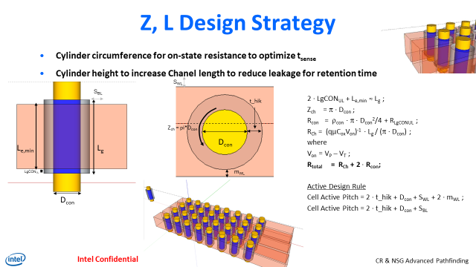
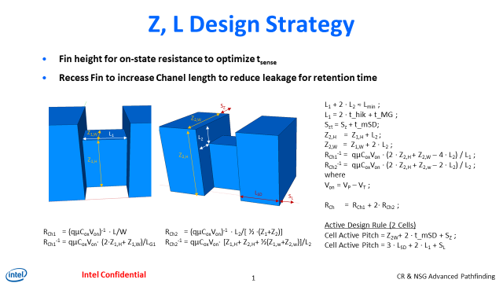
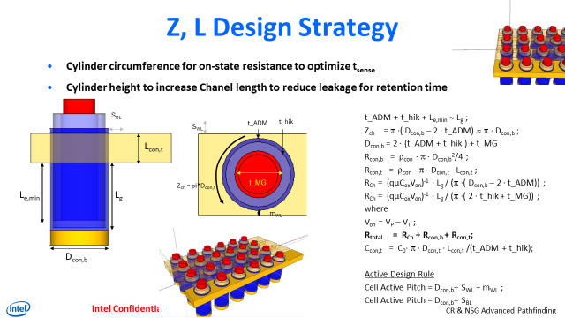

 |  |  | What geometric parameter enables scaling - plot one param at a time
 |  |  | each param can also define Lg and Z

Array Construct
 | P1271.3 | P1222.6 | 90 x 60 BG | Samsun 1y | FinFET | Cylindric Gate | Cylindric ADM
Capacitor technology | COB | COB | COB | COB | CUB | CUB | CUB
2F | 54 | 108 | 60 | 32.4 | 34 | 39 | 39
 | fin pitch | fin pitch | fin pitch | active pitch | active pitch | active pitch | active pitch
Seal/Fill | 34 | 20 | 20 | 20.4 | 24 | 15 | 15

Cell Size | 135 x 216 | 108 x 135 | 90 x 60 | 46 x 52 | 40 x 52 | 39 x 43 | 39 x 49
 |  |  |  |  | fin x gate
BL Length | 128 | 128 | 128 | 1024 | 128 | 128 | 128
 | std 1271 | std 1222 | Design values | std DRAM | Design values | Design values | Design values
WL Length | 1024 | 1024 | 1024 | 1024 | 1024 | 1024 | 1024
 | std 1271 | std 1222 | Design values | std DRAM | Design values | Design values | Design values
WL Cap/bit | 5.86E-17 | 2.93E-16 | 4.87E-17 | 2.05E-17 | 6.35E-17 | 8.33E-17 | 7.92E-17
 | std 1271 | std 1222 | Design values | std DRAM | Design values | Design values | Design values
BL Cap/bit | 1.640625E-16 | 1.25E-16 | 4.48E-18 | 2.9126213592E-17 | 1.18E-17 | 3.81E-17 | 8.77E-18
 | std 1271 | std 1222 | Design values | std DRAM | Design values | Design values | Design values
AT Resistance | 1.67E+04 | 2.50E+04 | 6.46E+04 | 7.00E+04 | 1.97E+04 | 3.28E+04 | 1.33E+05
 | 15uA @ r1 start | 10uA @ r1 start | from electricals | exp DRAM; literature | from electricals | from electricals | from electricals
Storage Node Cap | 1.30E-14 | 8.00E-15 | 8.00E-15 | 1.60E-14 | 8.00E-15 | 8.00E-15 | 8.00E-15
 | Design values | Design values | Design values | Design values | Design values | Design values | Design values
Sense Margin | 100 | 100 | 160.57 | 100 | 146.71 | 112.19 | 152.20
µ | 90-120 | 35 | 35 | 90 | 35 | 35 | 35
 | FE mobility at peak gm | FE mobility at peak gm | FE mobility at peak gm | FE mobility at peak gm | FE mobility at peak gm | FE mobility at peak gm | FE mobility at peak gm
Lg | 40 | 40 | 35 | 120 | 20 | 40 | 40
 | std 1271 | std 1222 | from electricals | from teardown | from electricals | from electricals | from electricals
Z | 90.00 | 73.00 | 40.00 | 80.00 | 110.00 | 71.40 | 62.83
 | std 1271 | std 1222 | planar Z | fin | height of fin x 2 | pi*radius^2 | pi*radius^2
Contact Area | 1.98E-03 | 2.01E-03 | 7.00E-04 | 8.00E-04 | 2.20E-03 | 1.43E-03 | 3.14E-04
 | 90 x 22 | 27.5 x 90 nm2 | Z x Lcon | based on teardown | 20 x 110; fin ht dependent; Rsd extra | Rsd increases area by 4x | Rsd increases area by 4x
Contact Resistance | 7.00E+03 | 1.50E+04 | 2.86E+04 | 1.00E+04 | 9.09E+03 | 1.40E+04 | 6.37E+04
 | std 1271 | std 1222 | from electricals | estimation | from electricals | from electricals | from electricals
Latency | 3.50E-09 | 6.50E-09 | 4.32E-09 | 1.50E-08 | 4.26E-09 | 3.36E-09 | 7.06E-09
tRC | 9.00E-09 | 1.50E-08 | 1.41E-08 | 5.00E-08 | 1.34E-08 | 1.20E-08 | 2.30E-08
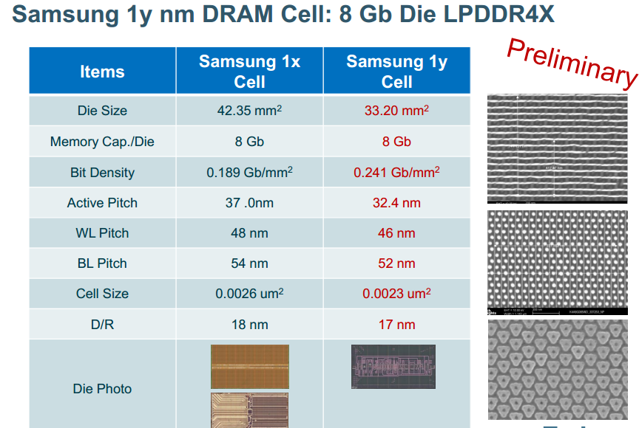

BL metrics
Type | Param | Metal | resitivity (uohm.cm) | BL CD (nm) | BL space (nm) | height of BL (nm) | resistance/bit (ohms) | Cov (F) | BL-BL coupling (F) | BL-WL Coupling | Total BL cap/bit (F) | BL driver resistance (ohms) | BL driver capcitance (F) | bits/BL (#) | WB delay (s) | BL delay (s) | Storage cap (fF) | Vref (V) | Vstorage 1 (V) | Vstorage 0 (V) | SM 1 (mV) | SM 0 (mV)
FinFET | Equation
 | Comment | both
 | Values |  | 30 | 20 | 20 | 30 | 38.75 | 6.12E-18 | 5.487E-18 | 2.36E-19 | 1.18E-17 | 1500 | 1.3902545455E-15 | 128 | 5.38E-09 | 1.40E-11 | 8.00E-15 | 5.00E-01 | 7.00E-01 | 3.00E-01 | 146.71 | -146.71
Channel WA | Equation
 | Comment | both
 | Values |  | 30 | 23 | 20 | 30 | 59.80 | 3.25E-17 | 5.5224E-18 | 4.248E-20 | 3.81E-17 | 1500 | 1.3902545455E-15 | 128 | 5.91E-09 | 5.15E-11 | 8.00E-15 | 5.00E-01 | 7.00E-01 | 3.00E-01 | 112.19 | -112.19
Gate WA | Equation
 | Comment | both
 | Values |  | 30 | 29 | 20 | 30 | 20.42 | 1.75E-18 | 6.9384E-18 | 8.26E-20 | 8.77E-18 | 1500 | 1.3902545455E-15 | 128 | 9.44E-09 | 8.36E-12 | 8.00E-15 | 5.00E-01 | 7.00E-01 | 3.00E-01 | 152.20 | -152.20
BG | Equation
 | Comment | damascene
 | Values |  | 30 | 22.5 | 20 | 30 | 22.86 | 1.11E-18 | 2.4274285714E-18 | 9.44E-19 | 4.48E-18 | 1500 | 1.3902545455E-15 | 128 | 6.98E-09 | 6.00E-12 | 8.00E-15 | 5.00E-01 | 7.00E-01 | 3.00E-01 | 160.57 | -160.57

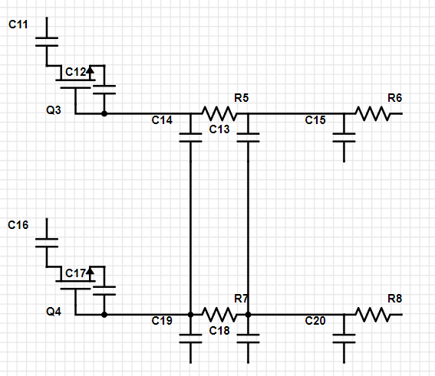
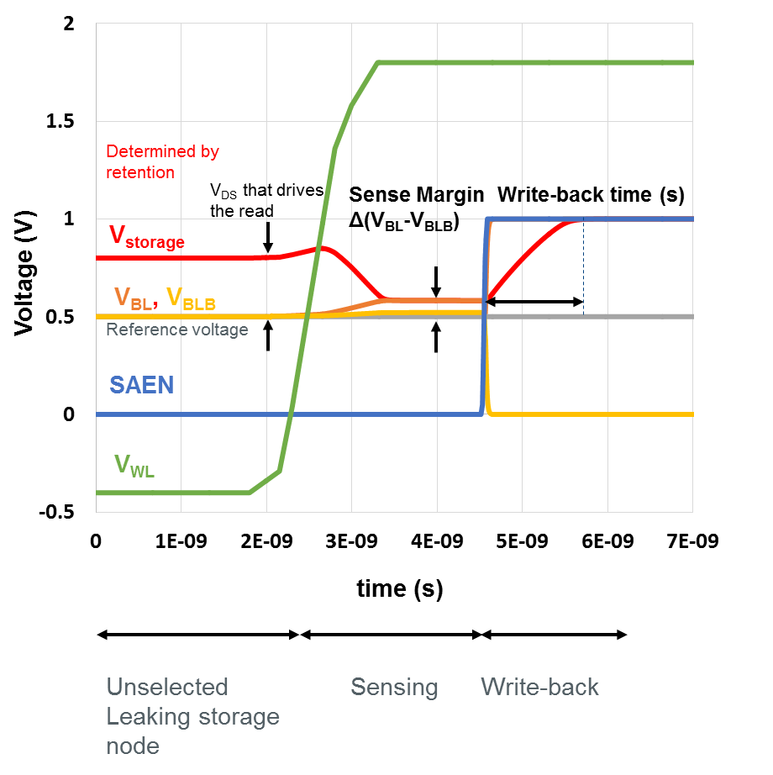
WL-BL coup

BL resistance
BL driver

bitcell
WB delay

BL-BL coupling

BL delay

WL metrics
Type | Param | Metal | resitivity (uohm.cm) | height of WL | resistance/bit (ohms) | Cgg (F) | WL-WL coupling (F) | BL-WL Coupling | Total WL cap/bit (F) | WL driver resistance (ohms) | WL driver capcitance (F) | bits/WL (#) | WL delay (s)
FinFET | Equation
 | Comment |  |  |  |  |  |  |  |  |  |  |  |  | units in nm except area in um2
 | Values |  | 30 | 30 | 20.00 | 6.12E-17 | 2.0228571429E-18 | 2.36E-19 | 6.35E-17 | 1500 | 1.3902545455E-15 | 1024 | 1.72E-09
Channel WA | Equation
 | Comment
 | Values |  | 30 | 30 | 2.33 | 7.94E-17 | 3.8055E-18 | 4.248E-20 | 8.33E-17 | 1500 | 1.3902545455E-15 | 1024 | 7.07E-10
Gate WA | Equation
 | Comment
 | Values |  | 30 | 30 | 49.00 | 6.99E-17 | 9.2512E-18 | 8.26E-20 | 7.92E-17 | 1500 | 1.3902545455E-15 | 1024 | 4.53E-09
BG | Equation
 | Comment
 | Values |  | 30 | 30 | 30.00 | 3.89E-17 | 8.85E-18 | 9.44E-19 | 4.87E-17 | 1500 | 1.3902545455E-15 | 1024 | 1.81E-09

WL-BL coup
WL delay
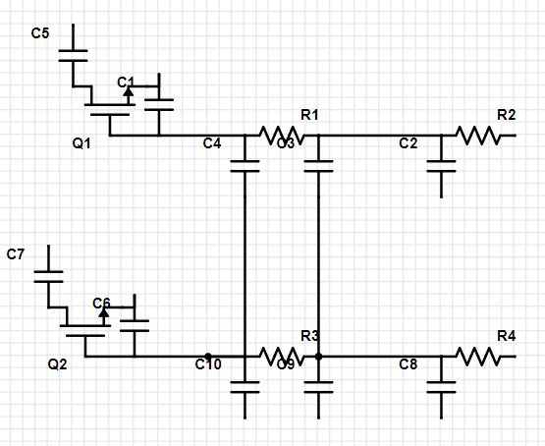
WL resistance
WL driver

bitcell

WL-WL coupling

