Geometricals
Type | Param | WL_param1 | WL_param2 | WL_param3 | WL_param4 | BL_param1 | BL_param2 | BL_param3 | BL_param4 | active_pitch_WL | active_pitch_BL | WL_pitch | BL_pitch | Cell_Area
FinFET | Equation | Z2W | t_mSD | Sz |  | LSD | L1 | S1 |  | Z2W + 2*t_mSD + Sz | 3*LSD + 2*L1 + S1 | active_BL /2 | active_WL | WL_pitch*BL_pitch
 | Comment | S/D contact or fin Z - linear change in current | thickness of metal S/D wraparound | Space in Z |  | Contact length | Lg drawn -> fits 2*t_hik + t_MG i.e. >=20nm | Space in Lg |  |  | 2 actives in this direction |  |  |  | units in nm except area in um2
 | Values | 10 | 3 | 15 |  | 20 | 20 | 15 |  | 31 | 115 | 57.5 | 31 | 0.0017825
Channel WA | Equation | Dcon | SWL | mWL |  | Dcon | SBL |  |  | Dcon + SWL + mWL*2 | Dcon + SBL | active_BL | active_WL | WL_pitch*BL_pitch
 | Comment | fits 2*t_ADM + 2*t_hik + t_MG i.e. >=24 | space between cells in WL direction | margin for ADM via |  | fits 2*t_ADM + 2*t_hik + t_MG i.e. >=24 | space between cells in BL direction
 | Values | 24 | 15 | 2 |  | 24 | 15 |  |  | 43 | 39 | 39 | 43 | 0.001677
Gate WA | Equation | t_hik | Dcon | SWL | mWL | t_hik | Dcon | SBL |  | 2*t_hik + Dcon + SWL + 2*mWL | 2*t_hik + Dcon + SBL | active_BL | active_WL
 | Comment | hik thickness >5nm for leakage | fits ADM >=4nm physical; <=14nm for Ioff; Z also constrained | space between Adm in WL direction | margin for ADM to WL edge
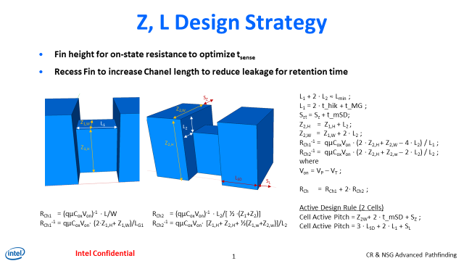
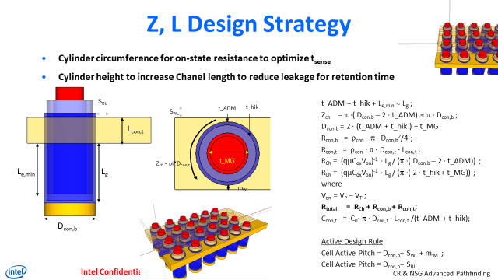
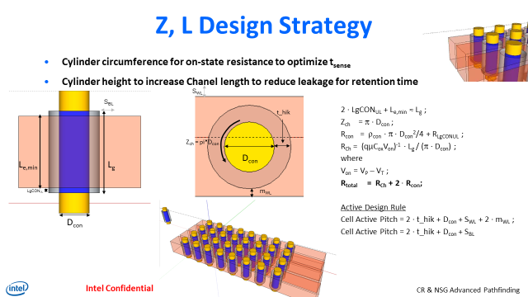
 | Values | 5 | 20 | 15 | 2 | 5 | 14 | 15 |  | 49 | 39 | 39 | 49 | 0.001911

 |  |  | What geometric parameter enables scaling - plot one param at a time
 |  |  | each param can also define Lg and Z

