Price
Parameters | Gen2 ADM 256Mb Channel | TCCD_CAP 1Gb Macro (1znm) | TCCD_BW 2Gb Macro (1znm) | TCCD_BW 2Gb Macro (1bnm) |  | 16Gb HBM2E (1ynm) | 16Gb HBM3 (1znm) | 16Gb HBM4_1 (1znm) | 16Gb HBM4_2 (1znm) | 16Gb HBM3 Macro (1znm) | 16Gb HBM4_1 Macro (1znm) | 16Gb HBM4_2 Macro (1znm) |  | 16Gb DDR5 (1znm) | 12Gb LPDDR5 (1znm)
Density/mm2 | 6.7MB/mm2 | 17MB/mm2 | 14MB/mm2 | 18.5MB/mm2 |  | 19.66MB/mm2 | 22.6MB/mm2 | ~21.6MB/mm2 | ~21.6MB/mm2 | 22.6MB/mm2 | ~21.6MB/mm2 | ~21.6MB/mm2 |  | 34.13MB/mm2 | 35.72B/mm2
# Channel |  | 1 | 8 | ß |  | 8 | 16 | 32 | 32 | 4 | 8 | 8 |  | 1 | 1
# DQ/Ch |  | 512b | 512b | ß |  | 128b (64b/pCH) | 64b (32b/pCH) | 64b (32b/pCH) | 64b (32b/pCH) | 64b (32b/pCH) | 64b (32b/pCH) | 128 |  | 16 | 32
# of Pins | 512 | 512 | 4K | ß |  | 1K | 1K | 2K | 4K | 256 | 512 | 1K
BW/pin |  | 250Mbps | 250Mbps | ß |  | 3.2Gbps | 8Gbps | 8Gbps | 4Gbps | 8Gbps | 8Gbps | 4Gbps |  | 8Gbps | 8Gbps
BL |  | 1 | 1 | 1 |  | 4 | 8 | 8 | 4 | 8 | 8 | 4 |  | 8 | 8
BW/ch |  | 16GB/s | 16GB/s | ß |  | 51.2GB/s | 64GB/s | 64GB/s | 64GB/s | 64GB/s | 64GB/s | 64GB/s
BW/Macro |  | 16GB/s | 128 GB/s |  |  | NA | NA | NA | NA | 256GB/s | 512 GB/s | 512 GB/s
Total BW (per 1GB) | 13TB/s | 128GB/s | 512GB/s | ß
Total BW (per 2GB) |  | 256GB/s | 1 TB/s | ß |  | 51.2GB/s | 256GB/s | 512GB/s | 512GB/s | 256GB/s | 512GB/s | 512GB/s
Total BW (per 8GB) |  | 1 TB/s | 4 TB/s |  |  | 410 GB/s | 1 TB/s | 2 TB/s | 2 TB/s | 1 TB/s | 2 TB/s | 2 TB/s
Size of macro sq. mm |  | 60(1GB) | 73(1GB) | 55.4(1GB) |  | NA | NA | NA | NA | 90.6 | 94.8 | 94.8
LATENCY(Open) | 7ns | 15ns | 15ns | ß |  | 28ns | 31ns | 31ns | 31ns | 31ns | 31ns | 31ns |  | 31ns | 31ns
pj/bit | ~0.8 | ~1.5 | ~1.5 | ß |  | 6.2 | 4.5 | TBD | TBD | 4.5 | TBD | TBD
# Bank/ch | 128 | 8 | 8 | ß |  | 32 (16/pCH) | ß | 32 (16/pCH) | 32 (16/pCH) | 32 (16/pCH) | 32 (16/pCH) | 32 (16/pCH) |  | 4X4 | 4X4
tCCD target |  | 4ns | 4ns | ß |  | 1.25ns | 1.25ns | 1.25ns | 1.25ns | 1.25ns | 1.25ns | 1.25ns |  | 1.25ns | 1.25ns
LATENCY(Close) 2 | 7ns | 19.8ns | 19.8ns | ß |  | 33ns | 35ns | 35ns | 35ns | 35ns | 35ns | 35ns |  | 35ns | 35ns
LATENCY(Open) 3 | 7ns | 15ns | 15ns | ß |  | 16ns | 18ns | 18ns | 18ns | 18ns | 18ns | 18ns |  | 18ns | 18ns
tRCR/tRCW | 12 | 30ns | 30ns | ß |  | 45ns | 45ns | 45ns | 45ns | 45ns | 45ns | 45ns |  | 45ns | 45ns
In DRAM ECC | TEC | SEC | SEC | ß |  | X(Parity bit) | O(RS code) | O(RS code) | O(RS code) | O(RS code) | O(RS code) | O(RS code)
Cost calculation details
Wafer Cost |  | $2,100 | $2,100 | $2,500 |  | $1,900 | $2,100 | $2,100 | $2,100 | $2,100 | $2,100 | $2,100 |  | $2,100 | $2,100
TSV Adder |  | $420 | $420 | $500 |  | $380 | $420 | $420 | $420 | $420 | $420 | $420
TSV Wafer Cost |  | $2,520 | $2,520 | $3,000 |  | $2,280 | $2,520 | $2,520 | $2,520 | $2,520 | $2,520 | $2,520 |  | $2,100 | $2,100
NRE ($M) |  | $150 | $150 | $150 |  | $150 | $150 | $150 | $150 | $150 | $150 | $150 |  | $- | $-
NRE Wafer Volume (M/Y, 2024) |  | 0.12 | 0.12 | 0.12 |  | 1.36 | 1.36 | 1.36 | 1.36 | 1.36 | 1.36 | 1.36 |  | 1.36 | 1.36
NRE/Wafer |  | $1,250 | $1,250 | $1,250 |  | $110 | $110 | $110 | $110 | $110 | $110 | $110 |  | $- | $-
Wafer+NRE Cost |  | $3,770 | $3,770 | $4,250 |  | $2,390 | $2,630 | $2,630 | $2,630 | $2,630 | $2,630 | $2,630 |  | $2,100 | $2,100
Wafer Margin |  | 60% | 60% | 60% |  | 60% | 60% | 60% | 60% | 60% | 60% | 60% |  | 60% | 60%
Wafer Price |  | $9,425 | $9,425 | $10,625 |  | $5,976 | $6,576 | $6,576 | $6,576 | $6,576 | $6,576 | $6,576 |  | $5,250 | $5,250
MB/mm^2 |  | 17.0 | 14.0 | 18.5 |  | 19.7 | 22.6 | 21.6 | 21.6 | 22.6 | 21.6 | 21.6 |  | 34.1 | 35.7
8Gb Die Size |  | 60.2 | 73.1 | 55.4 |  | 52.1 | 45.3 | 47.5 | 47.4 | 45.3 | 47.4 | 47.4 |  | 30.0 | 28.7
Max Die per Wafer |  | 1,050 | 857 | 1,145 |  | 1,221 | 1,412 | 1,343 | 1,346 | 1,410 | 1,346 | 1,346 |  | 2,158 | 2,261
Yield |  | 95% | 95% | 95% |  | 95% | 95% | 95% | 95% | 95% | 95% | 95% |  | 95% | 95%
Yielded DPW |  | 997 | 815 | 1,088 |  | 1,160 | 1,341 | 1,276 | 1,279 | 1,340 | 1,279 | 1,279 |  | 2,050 | 2,148
Price per GB | $20 | $9.45 | $11.57 | $9.77 |  | $5.15 | $4.90 | $5.15 | $5.14 | $4.91 | $5.14 | $5.14 |  | $2.56 | $2.44
Logic die OH |  | 1.00 | 1.00 | 1.00 |  | 1.13 | 1.13 | 1.13 | 1.13 | 1.00 | 1.00 | 1.00 |  | 1.00 | 1.00
Burdened Price/GB |  | $9.45 | $11.57 | $9.77 |  | $5.80 | $5.51 | $5.80 | $5.79 | $4.91 | $5.14 | $5.14 |  | $2.56 | $2.44
GB/s (BW per GB of memory ) | 13TB/s | 128 | 512 | 512 |  | 26 | 64 | 128 | 128 | 64 | 128 | 128
GB/s/$ | 650 | 13.54 | 44.25 | 52.41 |  | 4.42 | 11.61 | 22.08 | 22.12 | 13.04 | 24.89 | 24.89 |  | - | -
MIN CAPACITY (GB) |  | 1 | 1 | 1 |  | 8 | 8 | 8 | 8 | 2 | 2 | 2 |  | 8 | 8
Min Cost |  | $9.45 | $11.57 | $9.77 | $- | $46.37 | $44.12 | $46.38 | $46.29 | $9.82 | $10.29 | $10.29 | $- | $20.49 | $19.56

Temperature range support Tj | 110C | 105C | 105C | 105C |  | 105C | 105C | 105C | 105C | 105C | 105C | 105C |  | 105C | 105C

 |  |  |  |  |  |  | 1z DDR5 | 35MB/mm^2 |  |  |  |  |  | 1z DDR5 | 1z DDR5
2- tRCD+tAA -close page
3- tAA Open page

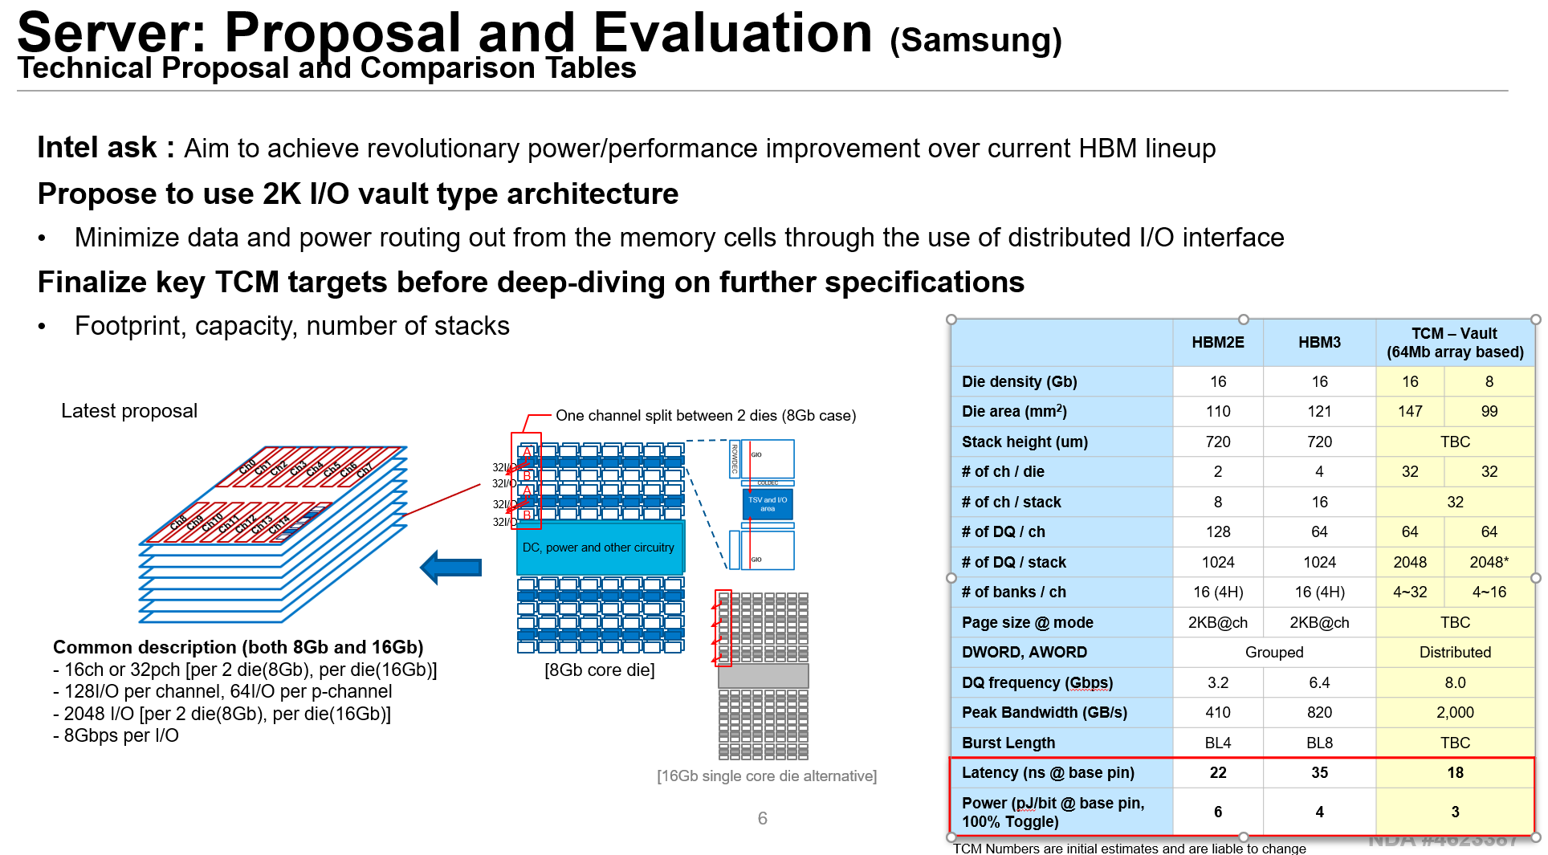

TCM

