Sheet1
Parameters | 16Gb HBM3 (1znm) | 16Gb DDR5 (1znm) | 12Gb LPDDR5 (1znm)
Density/mm2 | 22.6MB/mm2 | 34.13MB/mm2 | 35.72B/mm2
Size of macro sq. mm | NA
LATENCY(Open) | 31ns | 31ns | 31ns
pj/bit | 4.5
# Bank/ch | ß | 4X4 | 4X4
tCCD target | 1.25ns | 1.25ns | 1.25ns
LATENCY(Close) 2 | 35ns | 35ns | 35ns
LATENCY(Open) 3 | 18ns | 18ns | 18ns
tRCR/tRCW | 45ns | 45ns | 45ns
In DRAM ECC | O(RS code)
Cost calculation details
Wafer Cost | $2,100 | $2,100 | $2,100
TSV Adder | $420
TSV Wafer Cost | $2,520 | $2,100 | $2,100
NRE ($M) | $150 | $- | $-
NRE Wafer Volume (M/Y, 2024) | 1.36 | 1.36 | 1.36
NRE/Wafer | $110 | $- | $-
Wafer+NRE Cost | $2,630 | $2,100 | $2,100
Wafer Margin | 60% | 60% | 60%
Wafer Price | $6,576 | $5,250 | $5,250
MB/mm^2 | 22.6 | 34.1 | 35.7
8Gb Die Size | 45.3 | 30.0 | 28.7
Max Die per Wafer | 1,412 | 2,158 | 2,261
Yield | 95% | 95% | 95%
Yielded DPW | 1,341 | 2,050 | 2,148
Price per GB | $4.90 | $2.56 | $2.44
Logic die OH | 1.13 | 1.00 | 1.00
Burdened Price/GB | $5.51 | $2.56 | $2.44
GB/s (BW per GB of memory ) | 64
GB/s/$ | 11.61 | - | -
MIN CAPACITY (GB) | 8 | 8 | 8
Min Cost | $44.12 | $20.49 | $19.56

Temperature range support Tj | 105C | 105C | 105C

 | 1z DDR5 | 1z DDR5 | 1z DDR5
2- tRCD+tAA -close page
3- tAA Open page

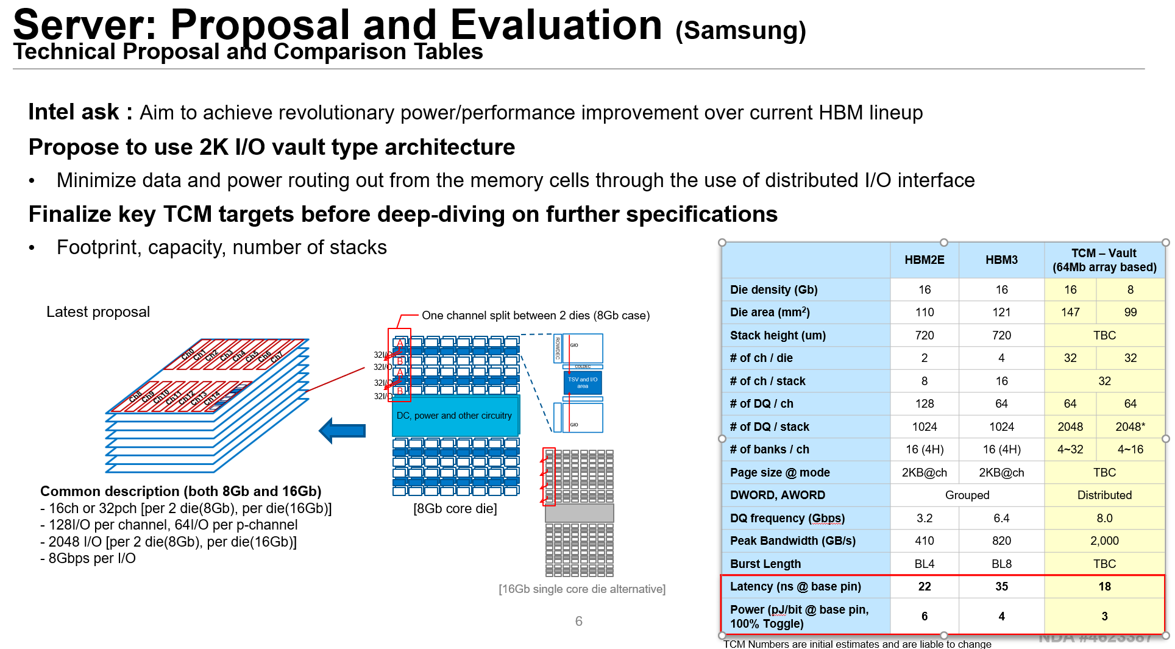

TCM

