split charts (SSM)
 | SWR # 7918304 | 9793612.003
Group | Grouping | Cell rev | 51/52 level Nitride seal | 51/52 level Nitride treat | 51/52 level post Ox dep2 treat | 52 BL etch clean | N wafers
1 | SSM attribute BKM (Block SWR 7891604) | SSM rev2.0 | 266A TSN 280C | DPHe 60s 250C | NO | FP clean (60s citric; 15s NH4OH) | 3
2 | Seal thk-- | SSM rev2.0 | 200A TSN 280C | DPHe 60s 250C | NO | FP clean (60s citric; 15s NH4OH) | 4
3 | Seal thk - | SSM rev2.0 | 233A TSN 280C | DPHe 60s 250C | NO | FP clean (60s citric; 15s NH4OH) | 4
4 | Seal temp - | SSM rev2.0 | 266A TSN 250C | DPHe 60s 250C | NO | FP clean (60s citric; 15s NH4OH) | 4
5 | Seal temp + | SSM rev2.0 | 266A TSN 300C | DPHe 60s 250C | NO | FP clean (60s citric; 15s NH4OH) | 4
6 | POR seal no treat | SSM rev2.0 | 266A TSN 280C | No treat | NO | FP clean (60s citric; 15s NH4OH) | 3
7 | POR seal + post Oxide dep2 treat | SSM rev2.0 | 266A TSN 280C | DPHe 60s 250C | DPHe 60s 250C | FP clean (60s citric; 15s NH4OH) | 3
 |  |  |  |  |  |  | 25

 | SWR # 7946704 | 9808752.003
Group | Grouping | Cell rev | BEC | TEC | 51 WL etch | 52 BL etch | 52 BL etch clean | N wafers
1 | TEC0; BECN1 (SSM attribute BKM Block SWR 7891604) | SSM SD 17nm | 30A/70A HUC/CNx (N5) | 150A C | POR | POR | FP clean (60s citric; 15s NH4OH) | 3
2 | TECN1 (70/80); BECN1 | SSM SD 17nm | 30A/70A HUC/CNx (N5) | 70A CNx (N5)/ 80A HUC | shorter TEC etch | W OE -0.5% | FP clean (60s citric; 15s NH4OH) | 3
3 | TECN1 (100/80); BECN1 | SSM SD 17nm | 30A/70A HUC/CNx (N5) | 100A CNx (N5)/ 80A HUC | POR | POR | FP clean (60s citric; 15s NH4OH) | 3
4 | TECN1 (120/80); BECN1 | SSM SD 17nm | 30A/70A HUC/CNx (N5) | 120A CNx (N5)/ 80A HUC | longer TEC etch | W OE +0.5% | FP clean (60s citric; 15s NH4OH) | 3
5 | TECN1 (100/80); BECN1 (30/96) | SSM SD 17nm | 30A/96A HUC/CNx (N5) | 100A CNx (N5)/ 80A HUC | scale BEC etch | POR | FP clean (60s citric; 15s NH4OH) | 3
6 | TEC0; BEC HUC1 | SSM SD 17nm | 100A HUC | 150A C | POR | POR | FP clean (60s citric; 15s NH4OH) | 3
7 | TEC0; BEC4 | SSM SD 17nm | 30A HUC + 70A 150W HBC | 150A C | POR | POR | FP clean (60s citric; 15s NH4OH) | 3
8 | TEC0; BECN1 (SSM attribute BKM Block SWR 7891604) | SSM SD 17nm | 30A/70A HUC/CNx (N5) | 150A C | POR | POR | LP clean (15s citric) | 4
 |  |  |  |  |  |  |  | 25

 | SWR # 7946604 | 9819882.003
Group | Grouping | Cell rev | 51 Nitride dep2 | 51 WL etch | C1 etch | 52 Nitride dep2 | 52 BL etch | C2 etch | N wafers
1 | SSM attribute BKM | SSM SD 17nm | Attribute process (350A) | Attribute process | Attribute process | Attribute process (350A) | Attribute process | Attribute process | 4
2 | SD thickness+ | SSM SD 19nm | Attribute process (350A) | SD etch +1s; W2 etch +0s | Attribute process | Attribute process (350A) | SD etch +2s | Attribute process | 3
3 | SD thickness++ | SSM SD 21nm | Attribute process (350A) | SD etch +4s; W2 etch +1s | E42SC1IN1A3_24s (+3s) | Attribute process (350A) | SD etch +4s | Scale to thick SD | 4
4 | SD thickness+++ | SSM SD 23nm | Attribute process (350A) | SD etch +8s; W2 ecth +2s | E42SC1IN1A3_24s (+3s) | 400A HM dep2 (+50A) | SD etch +7s | Scale to thick SD | 4
5 | SD thickness++++ WL op1 BL op1 | SSM SD 25nm | Attribute process (350A) | SD etch +10s; W2 ecth +2s | E42SC1IN1A3_24s (+3s) | 400A HM dep2 (+50A) | SD etch +9s | Scale to thick SD | 4
6 | SD thickness++++ WL op1 BL op2 | SSM SD 25nm | Attribute process (350A) | SD etch +10s; W2 ecth +2s | E42SC1IN1A3_24s (+3s) | 400A HM dep2 (+50A) | SD etch +7s | Scale to thick SD | 2
7 | SD thickness++++ WL op2 BL op1 | SSM SD 25nm | 400A HM dep2 (+50A) | SD etch +10s; W2 ecth +4s | E42SC1IN1A3_24s (+3s) | 400A HM dep2 (+50A) | SD etch +9s | Scale to thick SD | 2
8 | SD thickness++++ WL op2 BL op2 | SSM SD 25nm | 400A HM dep2 (+50A) | SD etch +10s; W2 ecth +4s | E42SC1IN1A3_24s (+3s) | 400A HM dep2 (+50A) | SD etch +7s | Scale to thick SD | 2
 |  |  |  |  |  |  |  |  | 25

 |  |  | 25nm SD | SD etch: 15s-->25s |  | 25nm SD | SD etch: 20s --> 29s
 |  |  |  | W2 etch: 20-->22s
 | SWR # 7989104 | 9839232.003
Group | Grouping | Cell rev | BEC | TEC | 51 WL etch | C1 etch | 52 Nitride dep2 | 52 BL etch | C2 etch | N wafers
1 | SSM attribute BKM | SSM SD 17nm | 30A/70A HUC/CNx (N5) | 150A C | Attribute process | Attribute process | Attribute process (350A) | Attribute process | Attribute process | 4
2 | SD thickness+++ | SSM SD 23nm | 30A/70A HUC/CNx (N5) | 150A C | SD etch +8s; W2 ecth +2s | E42SC1IN1A3_24s (+3s) | 400A HM dep2 (+50A) | SD etch +7s | E42SC2IN1B3_23s (+3s) | 4
3 | SD thickness++++ WL op1 BL op1 | SSM SD 25nm | 30A/70A HUC/CNx (N5) | 150A C | SD etch +10s; W2 ecth +2s | E42SC1IN1A3_24s (+3s) | 400A HM dep2 (+50A) | SD etch +9s | E42SC2IN1B3_23s (+3s) | 5
4 | SD thickness++++ ; TEC0; BEC HUC1 | SSM SD 25nm | 100A HUC | 150A C | SD etch +10s; W2 ecth +2s | E42SC1IN1A3_24s (+3s) | 400A HM dep2 (+50A) | SD etch +9s | E42SC2IN1B3_23s (+3s) | 4
5 | SD thickness++++ ; TECN1 (100/80); BECN1 | SSM SD 25nm | 30A/70A HUC/CNx (N5) | 100A CNx (N5)/ 80A HUC | SD etch +10s; W2 ecth +2s | E42SC1IN1A3_24s (+3s) | 400A HM dep2 (+50A) | SD etch +9s | E42SC2IN1B3_23s (+3s) | 4
6 | SD thickness++++ ; TECN1 (70/80); BECN1 | SSM SD 25nm | 30A/70A HUC/CNx (N5) | 70A CNx (N5)/ 80A HUC | TEC etch -2s; SD etch +10s; W2 ecth +2s | E42SC1IN1A3_24s (+3s) | 400A HM dep2 (+50A) | W OE 0.5% (-0.5%); SD etch +9s | E42SC2IN1B3_23s (+3s) | 4
 |  |  |  |  |  |  |  |  |  | 25

 |  | 9860162.003
 | SWR # 8036404 | 9862362.003
Group | Grouping | Cell rev | 51 WL etch | C1 etch | 52 Nitride dep2 | 52 BL etch (W) | 52 BL etch (SD) | 52 BL clean | C2 etch | N wafers
1 | SSM attribute BKM; 52 clean 60s Citric + 15s Ammonia | SSM SD 17nm | Attribute process | Attribute process | Attribute process (350A) | POR 12s MAX WMMP EP | Attribute process | Citric (60s); NH4OH 100:1 (15s) -- FP clean | Attribute process | 3
2 | SSM thick SD BKM; 52 clean 60s Citric + 15s Ammonia | SSM SD 25nm | SD etch +10s; W2 ecth +2s | E42SC1IN1A3_24s (+3s) | 400A HM dep2 (+50A) | POR 14s MAX WMMP EP | SD etch +9s | Citric (60s); NH4OH 100:1 (15s) -- FP clean | E42SC2IN1B3_23s (+3s) | 3
...
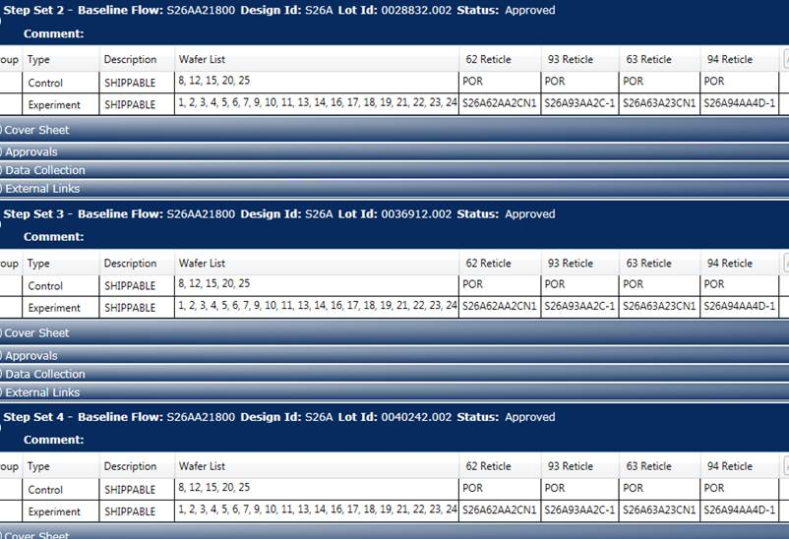

Group | Grouping | Cell stack | AlOx lamina In doped | 51 Nitride dep2 | 51 WL etch (Insitu)
4 | SSM SDv12 22nm 4% In | SSM SDv12 22nm Flat BECN and TEC | 4% In | 400A | 21s SD etch no SO2; 15/22s W etch
5 | SSM SDv12 22nm 4% In; 2-step WL etch CD- | SSM SDv12 22nm Flat BECN and TEC | 4% In | 550A | 60C ESC, 30sccm CH2F4 at SIN 21s SD etch no SO2; 2-step etch 20/20s W etch

