TTT and PFA
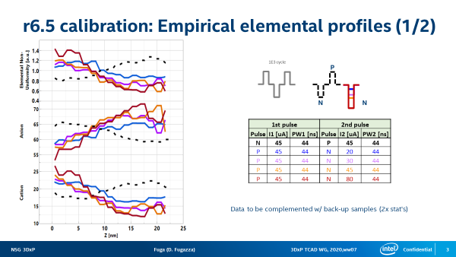

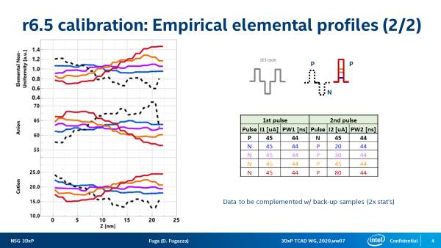

V-t, J-t
IEEE TRANSACTIONS ON ELECTRON DEVICES, VOL. 45, NO. 1, JANUARY 1998
Correlation Between Two Time-Dependent Dielectric Breakdown Measurements for the Gate Oxides Damaged by Plasma Processing
Koji Eriguchi and Yukiko Kosaka
Matsushita Electronic, Kyoto.
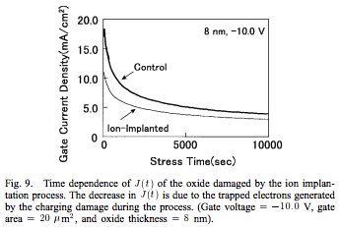

IEEE ELECTRON DEVICE LETTERS, VOL. 19, NO. 7, JULY 1998
Plasma Damage Immunity of Thin Gate Oxide Grown on Very Lightly N Implanted Silicon
K. P. Cheung, D. Misra, J. I. Colonell, C. T. Liu, Y. Ma, C. P. Chang, W. Y. C. Lai, R. Liu, and C. S. Pai

