Q4'22
Name: | Hanchi Lin
Period: | Q4'22

 |  |  |  | Link to Insights
Results |  | Behaviors
Overall outcomes and impact for OKRs and other results |  | Overall demonstration and impact for all Intel Culture Values

 | Awaiting Manager Selection (drop down) |  | Awaiting Manager Selection (drop down)

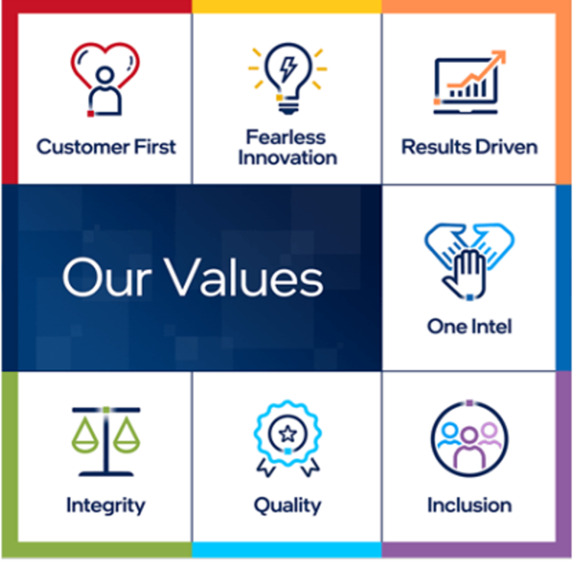
 | Feedback and Appreciation |  | Feedback and Appreciation
 | What are you doing well? |  | What are you doing well?

 | 0 |  | 0
 | Limit 500 Characters |  | Limit 500 Characters

 | Coaching and Goal Alignment |  | Coaching and Goal Alignment
 | Moving forward, you should… |  | Moving forward, you should…

 | 0 |  | 0
 | Limit 500 Characters |  | Limit 500 Characters
 | Actionable next steps

