FTE.Q1'22.OKRs
GEMS 2022 |  |  |  | FTE Q1 2022
 | Objectives | # | Key Results | Key Results
1 | Be a competitive advantage for Intel by delivering the best in the foundry/OSAT business | 1 | Deliver 3CRM refresh and align with DEG/BU for Server and Client product roadmap in compliance with the GLADIUS framework/New Development Model (Quarterly cadence). - TY/CD/Jerry | KR1: Recommend N3E Intercept for Client PTL for '25 PRQ at GEMS/DEG Level KR2: Propose Dual Drive Framework to CPG/DEG Staff KR3: Complete PPA assessment of N3E v0.5 vs N3 v1.0 KR4: Initiate regular N2 meeting with TSMC, and start PPA assessment | Report out on 22ww15.1
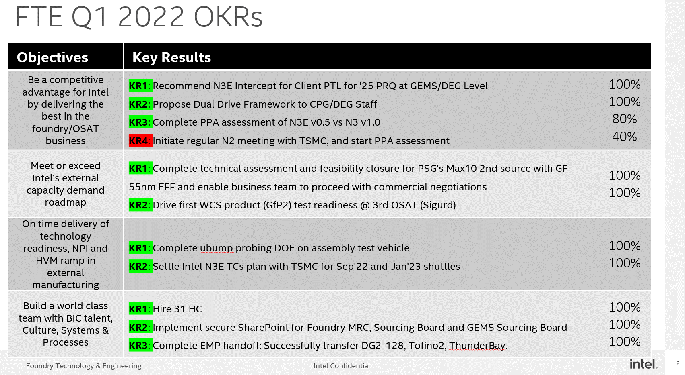
 |  | 2 | Complete detailed study and business case analysis for Dual Drive Strategy for N3E and N2 to mitigate revenue risk to facilitate a decision by June’22 - TY/CD/Jerry
 |  | 3 | Establish Samsung sourcing strategy to increase influence and develop into a viable sourcing option. - CS/CD
 |  | 4 | Deliver cost savings of ~$450M 2022-2025 (Q1'22 LRP will provide annualized numbers) through cost savings and cost avoidance projects across all groups (eg: technology/yield cost base improvement, secondary sourcing) - MA/CD/TY/CS/AP
2 | Meet or exceed Intel’s external capacity demand roadmap | 1 | Deliver >10% upside/pull ins to address shortages (Q1'22 goal of >2000 wafers). - CS | KR1: Complete technical assessment and feasibility closure for PSG's Max10 2nd source with GF 55nm EFF and enable business team to proceed with commercial negotiations KR2: Drive first WCS product (GfP2) test readiness @ 3rd OSAT (Sigurd)
 |  | 2 | Create and ratify a multi-sourcing policy to improve capacity flexibility and BCP. Complete 2nd source substrate qualifications for flexibility (>4 quals by EOQ1) - CS/TY (CD?)
 |  | 3 | Identify with BU partnership the top 5 programs and commit to mitigating ~ $10B (Q1'22 LRP will update this number) of ‘23-’25 shortages. Deliver committed program milestones for upside capacity (16nm, GF ADL PCH on track for H2'22 ramp). - CS/CD
 |  | 4 | Provide 2023 demand signal to all foundries by end of Jan'22 - CS
3 | On time delivery of technology readiness, NPI and HVM ramp in external manufacturing | 1 | Deliver tech readiness and successful tape out operations for N3B (ARL-GPU, ARL-CPU, LNL-M) - CD | KR1: Complete ubump probing DOE on assembly test vehicle KR2: Settle Intel N3E TCs plan with TSMC for Sep'22 and Jan'23 shuttles
 |  | 2 | Deliver N6 MTL SoC A0 and sample volume and meet MTL SoC D0 targets - CD/AP/CS
 |  | 3 | Enable engineering NPI Sort @ TSMC for N3B ARL-CPU (targeting WW42-50) - CD/AP
 |  | 4 | Deliver HVM with quality, cycle time, cost savings and yield targets for all outsourced Si/product - AP
4 | Build a world class GEMS team with BIC talent, culture, systems & processes | 1 | Hire and onboard >90% (225 POR) employees EOY'22 - AP/CD/CS/TY | KR1: Hire 31 HC KR2: Implement secure SharePoints for Foundry MRC, Sourcing Board and GEMS Sourcing Board KR3: Complete EMP handoff: Successfully transfer DG2-128, Tofino2, Thunderbay.
 |  | 2 | Deliver key business processes (consignment, selection policies and procedure, contracting, Meteorlake B2B readiness) - CS/TY/CD/DK
 |  | 3 | Deliver End to End funded IT Systems to drive systems, data reliability, operationalization and efficiency - AP/CS/DK

GEMS rolled up - Q4'21
GEMS 2021 |  | FTE 2021 |  | FTE Q1
# | Top 5 Goals | # | Top 10 Goals
1 | Deliver uninterrupted supply that fully supports Intel’s 2021 revenue plan, with 15-20% potential demand flexibility | 1 | Execute to achieve all committed NPI/HVM project schedule and yield targets using external manufacturing | Support TO/NPI of MTL SoC, IOEM/P, Tofino3, BarlowRidge. Complete new fab (GF Fab 8) setup for ADPS and ensure smooth supply chain to internal bump/sort/assembly.
Need to update and send out
2 | Create 3-year supply chain devmnt roadmap with annual execution milestones for systems, supplier technologies, processes, policies | 2 | Manage successful end-to-end execution of Branch projects from supplier deliverables to product engineering | Drive N3B key technical closure, resolve N3 specific bump challenges and drive other key items including: CuRDL/bump, HV methodology, reliability, design methodology, ESD arch, etc, for ARL, SRF, LNL products. Hybrid bonding POC value propositions identified; Testchip plans established.
 |  | 3 | Expand competitive analysis and ecosystem learning to improve Intel product quality & development efficiency
3 | Establish integrated capability, capacity, cost roadmap for key GEMS areas to deliver product leadership; execute according to 2021 plan | 4 | Complete Samsung 4LPP and 3GAP process evaluation/definition including test chip strategy and execution | Close 3GAP testchip plans with Samsung. testchip floor plan in place. Resources in place for execution to enable Q3, 2022 TI. Enhance Gladius framework to incorporate product portfolio and capacity requirements early enough to minimize schedule risks
 |  | 5 | Drive TSMC N3P and N2 DTCO/STCO with feature requirements for Intel product roadmap & differentiation
 |  | 6 | Evaluate and experiment key assembly & packaging capabilities from OSAT including 2.3D and hybrid bonding
 |  | 7 | Build engineering capability and infrastructure for FOM and block level PPA assessment/optimization
 |  | 8 | Support Multi-Sourcing / 2-Way Door initiatives between Intel & external foundry processes for product flexibility
4 | Create a 3-year organizational development plan for people, talent, culture, geo strategy, org structure, and execute according to quarterly POR | 9 | Grow FTE capability and the new mindset needed to support Intel’s mainstream products; meet 2021 hiring target | Complete PLAN'22 for both FTE and EMP. Recommend and establish engagement with alternate supplier for legacy products, specifically PSG legacy and Silicon photonics
5 | Deliver/exceed cost saving commits, aligned with BUs, and including multi-year cost saving project execution in 2021 | 10 | Enable Sort/Test data throughput for fast yield learning required for leading edge foundry engagement | Enable 1XTD2 ubump probing solution buyoff and ubump reflow process in TSMC. Enable YE scan diagnosis/memory capabilities for eFA/pFA for disagg products. NPI Test data integration to YE: provide fast & automatic feedback test tata to foundries for products (DG2, MTL G, MTL SOC)

Scoring
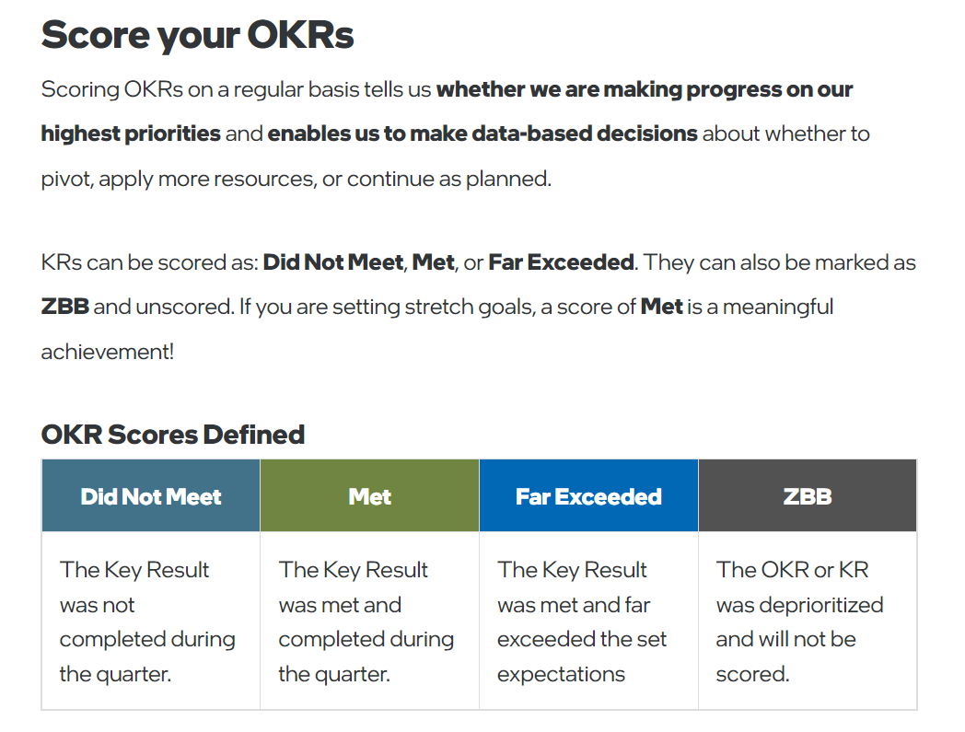

2022.Top.10
