Interface Structures
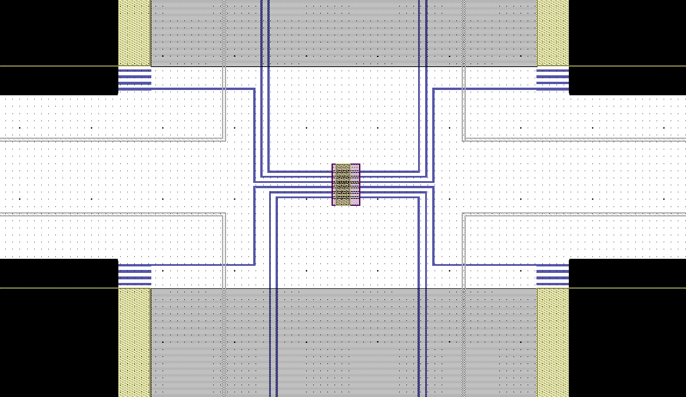
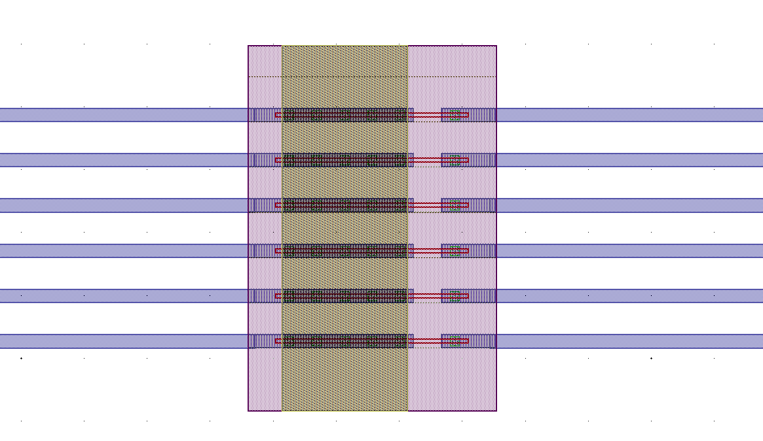
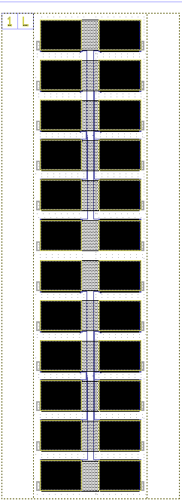
I6
I5
I3
I4
I1
I2
V6
V5
V3
V4
V1
V2
Physical Spine ID | Spine ID | Structure type | Ballasting device | BE size | BEL sizeX (nm) | BEL sizeY (nm) | pad config | Number of top pads in use | chuck as electrode | Pin-out | I1 | I2 | I3 | I4 | I5 | I6 | V1 | V2 | V3 | V4 | V5 | V6 |  |  |  |  |  |  |  | Device physical info | Date | Rtransistor (Vg=5V, Vds=1V) | Electrode resistance | Expected resistance | Resistance (if with transistor, with Vg=5V) | Resistance (if with transistor, with Vg=0) | Additional 4pt structures | I-V characteristic (after reviewing IV curve) | functionality validated upto Metal-1 layout | device connectivity fully validated | PCM device functionality | OTS device functionality.
31L | 245 | Contact resistance structures, 0.5 um separation, 2um wide |  |  | 73 | 2000 |  | 12 | No | I1-p7, I2-p8, I3-p9, I4-p10, I5-p11, I6-p12, V1-p18, V2-p17, V3-p16, V4-p15, V5-p14, V6-p13 | 7 | 8 | 9 | 10 | 11 | 12 | 18 | 17 | 16 | 15 | 14 | 13 |  |  |  |  |  |  |  | 31Lp9-p12 and p21-p24, with p9-MTS heater V-, p23-MTS heater V+, p11-MTS heater I+, p21 MTS heater I-, p-12 -transisor gate, p10-transistor source , and pad 22 for PCM devie pad | 2010-11-22 |  |  | 0
31L | 245 | Contact resistance structures, 1 um separation, 2um wide |  |  | 73 | 4000 |  | 12 | No | I1-p1, I2-p2, I3-p3, I4-p4, I5-p5, I6-p6, V1-p24, V2-p23, V3-p22, V4-p21, V5-p20, V6-p19 | 1 | 2 | 3 | 4 | 5 | 6 | 24 | 23 | 22 | 21 | 20 | 19 |  |  |  |  |  |  |  | 31Lp9-p12 and p21-p24, with p9-MTS heater V-, p23-MTS heater V+, p11-MTS heater I+, p21 MTS heater I-, p-12 -transisor gate, p10-transistor source , and pad 22 for PCM devie pad | 2010-11-22 |  |  | 0
31M | 246 | Contact resistance structures, 0.5 um separation, 2um wide |  |  | 73 | 6000 |  | 12 | No | I1-p7, I2-p8, I3-p9, I4-p10, I5-p11, I6-p12, V1-p18, V2-p17, V3-p16, V4-p15, V5-p14, V6-p13 | 7 | 8 | 9 | 10 | 11 | 12 | 18 | 17 | 16 | 15 | 14 | 13 |  |  |  |  |  |  |  | 31Mp9-p12 and p21-p24, with p9-MTS heater V-, p23-MTS heater V+, p11-MTS heater I+, p21 MTS heater I-, p-12 -transisor gate, p10-transistor source , and pad 22 for PCM devie pad | 2010-11-22 |  |  | 0
31M | 246 | Contact resistance structures, 1 um separation, 2um wide |  |  | 73 | 2000 |  | 12 | No | I1-p1, I2-p2, I3-p3, I4-p4, I5-p5, I6-p6, V1-p24, V2-p23, V3-p22, V4-p21, V5-p20, V6-p19 | 1 | 2 | 3 | 4 | 5 | 6 | 24 | 23 | 22 | 21 | 20 | 19 |  |  |  |  |  |  |  | 31Mp9-p12 and p21-p24, with p9-MTS heater V-, p23-MTS heater V+, p11-MTS heater I+, p21 MTS heater I-, p-12 -transisor gate, p10-transistor source , and pad 22 for PCM devie pad | 2010-11-22 |  |  | 0
31N | 247 | Contact resistance structures, 0.5 um separation, 2um wide |  |  | 73 | 4000 |  | 12 | No | I1-p7, I2-p8, I3-p9, I4-p10, I5-p11, I6-p12, V1-p18, V2-p17, V3-p16, V4-p15, V5-p14, V6-p13 | 7 | 8 | 9 | 10 | 11 | 12 | 18 | 17 | 16 | 15 | 14 | 13 |  |  |  |  |  |  |  | 31Np9-p12 and p21-p24, with p9-MTS heater V-, p23-MTS heater V+, p11-MTS heater I+, p21 MTS heater I-, p-12 -transisor gate, p10-transistor source , and pad 22 for PCM devie pad | 2010-11-22 |  |  | 0
31N | 247 | Contact resistance structures, 1 um separation, 2um wide |  |  | 73 | 6000 |  | 12 | No | I1-p1, I2-p2, I3-p3, I4-p4, I5-p5, I6-p6, V1-p24, V2-p23, V3-p22, V4-p21, V5-p20, V6-p19 | 1 | 2 | 3 | 4 | 5 | 6 | 24 | 23 | 22 | 21 | 20 | 19 |  |  |  |  |  |  |  | 31Np9-p12 and p21-p24, with p9-MTS heater V-, p23-MTS heater V+, p11-MTS heater I+, p21 MTS heater I-, p-12 -transisor gate, p10-transistor source , and pad 22 for PCM devie pad | 2010-11-22 |  |  | 0

 |  |  | Test method
 |  |  | 5X 4pt Kelvin measurement :
 |  |  | Pass current through I1 to I2, measure voltage between V1 and V2
 |  |  | Pass current through I1 to I3, measure voltage between V1 and V3
 |  |  | Pass current through I1 to I4, measure voltage between V1 and V4
 |  |  | Pass current through I1 to I5, measure voltage between V1 and V5
 |  |  | Pass current through I1 to I6, measure voltage between V1 and V6
 |  |  |  |  |  |  |  |  |  |  |  |  |  |  |  |  |  |  |  |  |  |  |  |  |  |  | Current transisotr side |  |  | Voltage transisotr side
Physical Spine ID | Spine ID | Structure type | Ballasting device | BE size | BEL sizeX (nm) | BEL sizeY (nm) | pad config | Number of top pads in use | chuck as electrode | Pin-out | Current transisotr gate | Current transistor source | Current transistor body | top pad | Voltage transisotr gate | Voltage transistor source (or V-) | voltage transistor body | V+ |  |  |  | Device physical info | Date | Rtransistor (Vg=5V, Vds=1V) | Electrode resistance | Expected resistance | Resistance (if with transistor, with Vg=5V) | Resistance (if with transistor, with Vg=0) | Additional 4pt structures | Resistance (if with transistor, with Vg=5V) | Resistance (if with transistor, with Vg=0) | Additional 4pt structures | I-V characteristic (after reviewing IV curve) | functionality validated upto Metal-1 layout | device connectivity fully validated | PCM device functionality | OTS device functionality.
31H | 241 | Kelvin structure_73x73 - two transistors |  |  | 73 | 73 |  | 8 | No | current transistor gate-p8, current transistor source (I-)-p9, top pad (I+)-p10, current transistor body-P16, voltage transisotr source (V-)-p11, voltage transistor gate-p12, voltage transistor body-p14, V+-p15 | 8 | 9 | 16 | 10 | 12 | 11 | 14 | 15 |  |  |  | 31H1st device (p1-p2 and p21-p23), 2nd device (p8-p12 and p14-16) , with p1 (or p8) - I_transistor gate, p2 (or p9) - I-(I_transitor drain), p3 (or p10) - I+ , p4 (or p11)- V-(V_transistor source), p5 (or p12)- V_transistor gate, p21 (or p14) - V_transistor body, p22 (or p15) - V+, p23 (or p16) - I_transistor body | 2010-11-22 |  |  | 0 | 630 | 2.40E+13 |  | 981.03 | 6.80E+11 | 300+ Ohm from W line
31I | 242 | Kelvin structure_93x93 - two transistors |  |  | 93 | 93 |  | 8 | No | current transistor gate-p8, current transistor source (I-)-p9, top pad (I+)-p10, current transistor body-P16, voltage transisotr source (V-)-p11, voltage transistor gate-p12, voltage transistor body-p14, V+-p16 | 8 | 9 | 16 | 10 | 12 | 11 | 14 | 15 |  |  |  | 31I1st device (p1-p2 and p21-p23), 2nd device (p8-p12 and p14-16) , with p1 (or p8) - I_transistor gate, p2 (or p9) - I-(I_transitor drain), p3 (or p10) - I+ , p4 (or p11)- V-(V_transistor source), p5 (or p12)- V_transistor gate, p21 (or p14) - V_transistor body, p22 (or p15) - V+, p23 (or p16) - I_transistor body | 2010-11-22 |  |  | 0 | 633.9 | 2.50E+13 |  | 972.7 | 8.38E+12 | 300+ Ohm from W line
31J | 243 | Kelvin structure_113x113 - two transistors |  |  | 113 | 113 |  | 8 | No | current transistor gate-p8, current transistor source (I-)-p9, top pad (I+)-p10, current transistor body-P16, voltage transisotr source (V-)-p11, voltage transistor gate-p12, voltage transistor body-p14, V+-p17 | 8 | 9 | 16 | 10 | 12 | 11 | 14 | 15 |  |  |  | 31J1st device (p1-p2 and p21-p23), 2nd device (p8-p12 and p14-16) , with p1 (or p8) - I_transistor gate, p2 (or p9) - I-(I_transitor drain), p3 (or p10) - I+ , p4 (or p11)- V-(V_transistor source), p5 (or p12)- V_transistor gate, p21 (or p14) - V_transistor body, p22 (or p15) - V+, p23 (or p16) - I_transistor body | 2010-11-22 |  |  | 0 | 629.89 | 1.43E+13 |  | 966.445 | 7.14E+12 | 300+ Ohm from W line
31K | 244 | Kelvin structure_133x133 - two transistors |  |  | 133 | 133 |  | 8 | No | current transistor gate-p8, current transistor source (I-)-p9, top pad (I+)-p10, current transistor body-P16, voltage transisotr source (V-)-p11, voltage transistor gate-p12, voltage transistor body-p14, V+-p18 | 8 | 9 | 16 | 10 | 12 | 11 | 14 | 15 |  |  |  | 31K1st device (p1-p2 and p21-p23), 2nd device (p8-p12 and p14-16) , with p1 (or p8) - I_transistor gate, p2 (or p9) - I-(I_transitor drain), p3 (or p10) - I+ , p4 (or p11)- V-(V_transistor source), p5 (or p12)- V_transistor gate, p21 (or p14) - V_transistor body, p22 (or p15) - V+, p23 (or p16) - I_transistor body | 2010-11-22 |  |  | 0 | 635.3 | 1.10E+12 |  | 968.86 | 9.09E+12 | 300+ Ohm from W line
31O | 248 | Kelvin structure_73x73 - one transistor |  |  | 73 | 73 |  | 6 | No | current transistor gate-p8, current transistor source (I-)-p9, top pad (I+)-p10, current transistor body-P16, voltage transisotr source (V-)-p11, voltage transistor gate-p12, voltage transistor body-p14, V+-p19 | 9 | 10 | 15 | 11 | NA | 12 | NA | 14 |  |  |  | 31O1st device (p1-p4 and p22-p23), 2nd device (p5-p8 and p18-19) 3rd device (p9-12 and p14-15), with p1 (or p5 or p9) - I_transistor gate, p2 (or p6 or P10) - I-(I_transitor drain), p3 (or p7 or p11) - I+ , p4 (or p8 or p12)- V-, p22 (or p18 or p14) - V+, p23 (or p19 or P15) - I_transistor body | 2010-11-22 |  |  | 0 | 651.079 | 5.00E-13
31P | 249 | Kelvin structure_93x93 - one transistor |  |  | 93 | 93 |  | 6 | No | current transistor gate-p8, current transistor source (I-)-p9, top pad (I+)-p10, current transistor body-P16, voltage transisotr source (V-)-p11, voltage transistor gate-p12, voltage transistor body-p14, V+-p20 | 9 | 10 | 15 | 11 | NA | 12 | NA | 14 |  |  |  | 31P1st device (p1-p4 and p22-p23), 2nd device (p5-p8 and p18-19) 3rd device (p9-12 and p14-15), with p1 (or p5 or p9) - I_transistor gate, p2 (or p6 or P10) - I-(I_transitor drain), p3 (or p7 or p11) - I+ , p4 (or p8 or p12)- V-, p22 (or p18 or p14) - V+, p23 (or p19 or P15) - I_transistor body | 2010-11-22 |  |  | 0 | 635.9 | 7.69E+12
31Q | 250 | Kelvin structure_113x113 - one transistor |  |  | 113 | 113 |  | 6 | No | current transistor gate-p8, current transistor source (I-)-p9, top pad (I+)-p10, current transistor body-P16, voltage transisotr source (V-)-p11, voltage transistor gate-p12, voltage transistor body-p14, V+-p21 | 9 | 10 | 15 | 11 | NA | 12 | NA | 14 |  |  |  | 31Q1st device (p1-p4 and p22-p23), 2nd device (p5-p8 and p18-19) 3rd device (p9-12 and p14-15), with p1 (or p5 or p9) - I_transistor gate, p2 (or p6 or P10) - I-(I_transitor drain), p3 (or p7 or p11) - I+ , p4 (or p8 or p12)- V-, p22 (or p18 or p14) - V+, p23 (or p19 or P15) - I_transistor body | 2010-11-22 |  |  | 0 | 627.4825 | 9.90E+12
31R | 251 | Kelvin structure_133x133 - one transistor |  |  | 133 | 133 |  | 6 | No | current transistor gate-p8, current transistor source (I-)-p9, top pad (I+)-p10, current transistor body-P16, voltage transisotr source (V-)-p11, voltage transistor gate-p12, voltage transistor body-p14, V+-p22 | 9 | 10 | 15 | 11 | NA | 12 | NA | 14 |  |  |  | 31R1st device (p1-p4 and p22-p23), 2nd device (p5-p8 and p18-19) 3rd device (p9-12 and p14-15), with p1 (or p5 or p9) - I_transistor gate, p2 (or p6 or P10) - I-(I_transitor drain), p3 (or p7 or p11) - I+ , p4 (or p8 or p12)- V-, p22 (or p18 or p14) - V+, p23 (or p19 or P15) - I_transistor body | 2010-11-22 |  |  | 0 | 630.14 | 7.14E+12

 |  |  | Test method
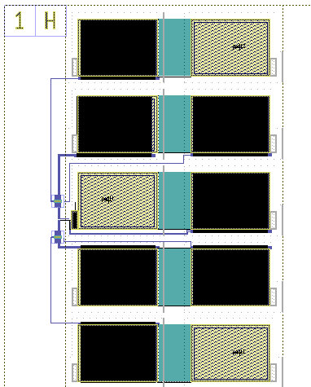
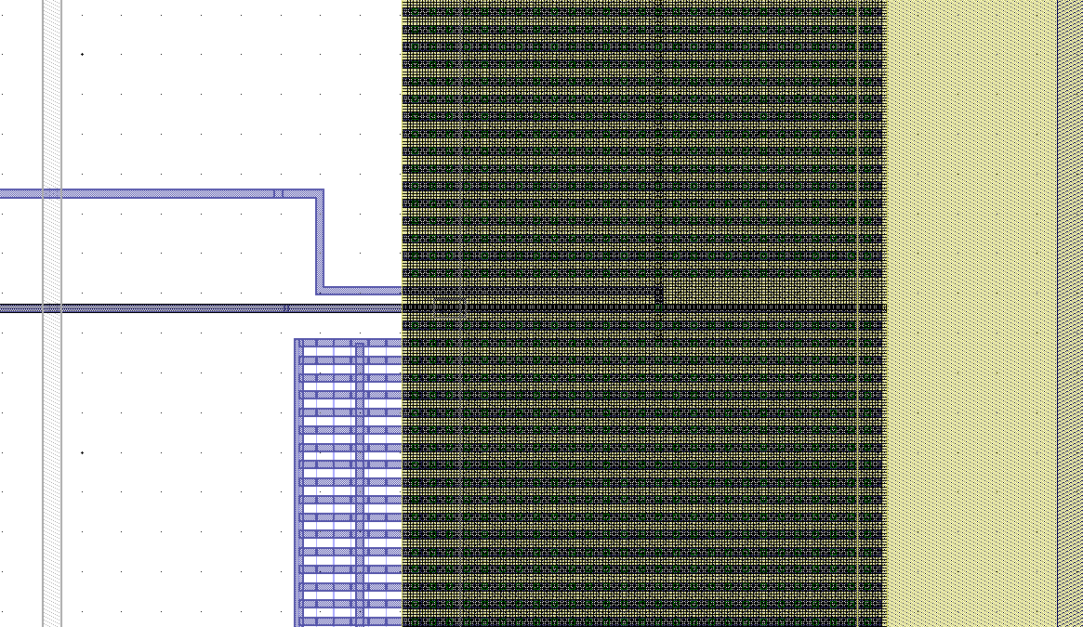

PCM+MTS heater
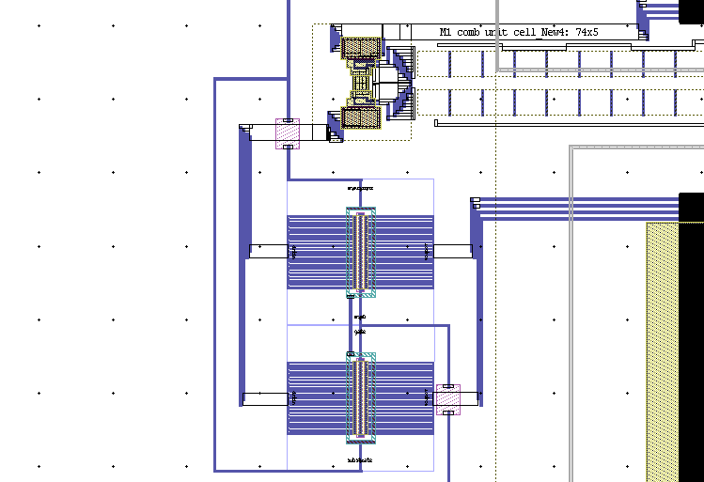
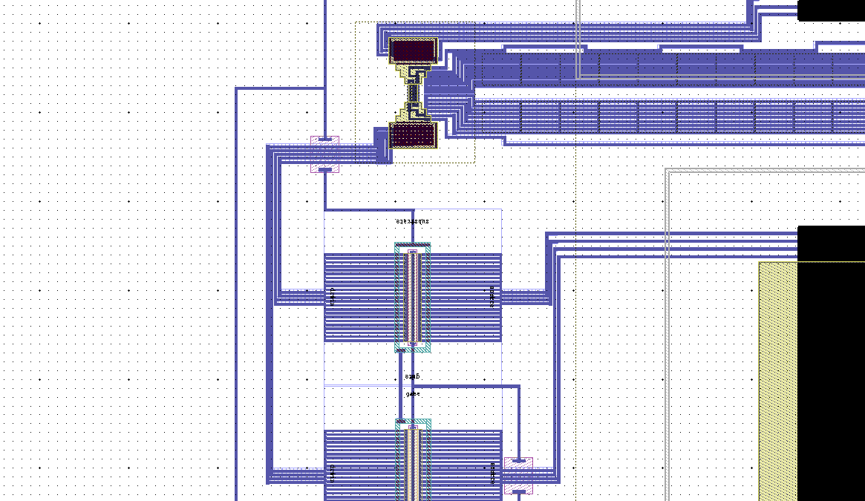
Lateral PCM
Top contact
Transistor source
Transistor body
Transistor
gate
Heater V-
Heater V+
Heater I-
Heater I+
Physical Spine ID | Spine ID | Structure type | Device name | Designer | Status | Review | Ballasting device | Transistor | On chip Resistor | BE size | BEL sizeX (nm) | BEL sizeY (nm) | pad config | Number of top pads in use | chuck as electrode | Pin-out | Top contact | Gate | Source | Body | MTS heater I+ | MTS heater I- | MTS heater V+ | MTS heater V- | Device physical info | Date | Rtransistor (Vg=5V, Vds=1V) | Electrode resistance | Expected resistance | Resistance (Vg=5, Vd=1V) | Resistance (Vg=0, Vd=1V)
32B | 261 | MTS heater+Lateral PCM cell 0.5umX2um with transistors |  | Kuo-Wei | Done | Done |  | 2X 10/1um Tr- Gate to CPAD, body CPAD | None |  | NA | NA |  | 8 | No | p9-p12 and p13-p16, with p13-MTS heater V+, p14-MTS heater I+, p15-MTS heater I-, p16-MTS heater V-, p9-gate, p10-source , p11 for PCM devie pad, and p12-body | 11 | 9 | 10 | 12 | 14 | 15 | 13 | 16 | 32Bp9-p12 and p21-p24, with p9-MTS heater V-, p23-MTS heater V+, p11-MTS heater I+, p21 MTS heater I-, p-12 -transisor gate, p10-transistor source , and pad 22 for PCM devie pad | 2010-11-24 |  |  | 0
32B | 261 | MTS heater+Lateral PCM cell 0.5umX4um with transistors |  | Kuo-Wei | Done | Done |  | 2X 10/1um Tr- Gate to CPAD, body CPAD | None |  | NA | NA |  | 8 | No | p5-p8 and p17-p20, with p17-MTS heater V+, p18-MTS heater I+, p19-MTS heater I-, p20 MTS heater V-, p5-gate, p6-source , p7 for PCM devie pad, p8-body | 7 | 5 | 6 | 8 | 18 | 19 | 17 | 20 | 32Bp5-p8 and p17-p20, with p5-MTS heater V-, p19-MTS heater V+, p7-MTS heater I+, p17 MTS heater I-, p-8 -transisor gate, p6-transistor source , and pad 18 for PCM devie pad | 2010-11-24 |  |  | 0
32B | 261 | MTS heater+Lateral PCM cell 0.5umX6um with transistors |  | Kuo-Wei | Done | Done |  | 2X 10/1um Tr- Gate to CPAD, body CPAD | None |  | NA | NA |  | 8 | No | p1-p4and p21-p24, with p21-MTS heater V+, p22-MTS heater I+, p23-MTS heater I-, p24 MTS heater V-, p1-gate, p2-source , p3 for PCM devie pad, p4-body | 3 | 1 | 2 | 4 | 22 | 23 | 21 | 24 | 32Bp1-p4 and p13-p16, with p1-MTS heater V-, p15-MTS heater V+, p3-MTS heater I+, p13 MTS heater I-, p-4 -transisor gate, p2-transistor source , and pad 14 for PCM devie pad | 2010-11-24 |  |  | 0 | 3.80E+02 | 1.00E+12
32C | 262 | MTS heater+Lateral PCM cell 1umX2um with transistors |  | Kuo-Wei | Done | Done |  | 2X 10/1um Tr- Gate to CPAD, body CPAD | None |  | NA | NA |  | 8 | No | p9-p12 and p13-p16, with p13-MTS heater V+, p14-MTS heater I+, p15-MTS heater I-, p16-MTS heater V-, p9-gate, p10-source , p11 for PCM devie pad, and p12-body | 11 | 9 | 10 | 12 | 14 | 15 | 13 | 16 | 32Cp9-p12 and p21-p24, with p9-MTS heater V-, p23-MTS heater V+, p11-MTS heater I+, p21 MTS heater I-, p-12 -transisor gate, p10-transistor source , and pad 22 for PCM devie pad | 2010-11-24 |  |  | 0
32C | 262 | MTS heater+Lateral PCM cell 1umX4um with transistors |  | Kuo-Wei | Done | Done |  | 2X 10/1um Tr- Gate to CPAD, body CPAD | None |  | NA | NA |  | 8 | No | p5-p8 and p17-p20, with p17-MTS heater V+, p18-MTS heater I+, p19-MTS heater I-, p20 MTS heater V-, p5-gate, p6-source , p7 for PCM devie pad, p8-body | 7 | 5 | 6 | 8 | 18 | 19 | 17 | 20 | 32Cp5-p8 and p17-p20, with p5-MTS heater V-, p19-MTS heater V+, p7-MTS heater I+, p17 MTS heater I-, p-8 -transisor gate, p6-transistor source , and pad 18 for PCM devie pad | 2010-11-24 |  |  | 0
32C | 262 | MTS heater+Lateral PCM cell 1umX6um with transistors |  | Kuo-Wei | Done | Done |  | 2X 10/1um Tr- Gate to CPAD, body CPAD | None |  | NA | NA |  | 8 | No | p1-p4and p21-p24, with p21-MTS heater V+, p22-MTS heater I+, p23-MTS heater I-, p24 MTS heater V-, p1-gate, p2-source , p3 for PCM devie pad, p4-body | 3 | 1 | 2 | 4 | 22 | 23 | 21 | 24 | 32Cp1-p4 and p13-p16, with p1-MTS heater V-, p15-MTS heater V+, p3-MTS heater I+, p13 MTS heater I-, p-4 -transisor gate, p2-transistor source , and pad 14 for PCM devie pad | 2010-11-24 |  |  | 0
32D | 263 | MTS heater+Lateral PCM cell 2umX2um with transistors |  | Kuo-Wei | Done | Done |  | 2X 10/1um Tr- Gate to CPAD, body CPAD | None |  | NA | NA |  | 8 | No | p9-p12 and p13-p16, with p13-MTS heater V+, p14-MTS heater I+, p15-MTS heater I-, p16-MTS heater V-, p9-gate, p10-source , p11 for PCM devie pad, and p12-body | 11 | 9 | 10 | 12 | 14 | 15 | 13 | 16 | 32Dp9-p12 and p21-p24, with p9-MTS heater V-, p23-MTS heater V+, p11-MTS heater I+, p21 MTS heater I-, p-12 -transisor gate, p10-transistor source , and pad 22 for PCM devie pad | 2010-11-24 |  |  | 0
32D | 263 | MTS heater+Lateral PCM cell 2umX4um with transistors |  | Kuo-Wei | Done | Done |  | 2X 10/1um Tr- Gate to CPAD, body CPAD | None |  | NA | NA |  | 8 | No | p5-p8 and p17-p20, with p17-MTS heater V+, p18-MTS heater I+, p19-MTS heater I-, p20 MTS heater V-, p5-gate, p6-source , p7 for PCM devie pad, p8-body | 7 | 5 | 6 | 8 | 18 | 19 | 17 | 20 | 32Dp5-p8 and p17-p20, with p5-MTS heater V-, p19-MTS heater V+, p7-MTS heater I+, p17 MTS heater I-, p-8 -transisor gate, p6-transistor source , and pad 18 for PCM devie pad | 2010-11-24 |  |  | 0
32D | 263 | MTS heater+Lateral PCM cell 2umX6um with transistors |  | Kuo-Wei | Done | Done |  | 2X 10/1um Tr- Gate to CPAD, body CPAD | None |  | NA | NA |  | 8 | No | p1-p4and p21-p24, with p21-MTS heater V+, p22-MTS heater I+, p23-MTS heater I-, p24 MTS heater V-, p1-gate, p2-source , p3 for PCM devie pad, p4-body | 3 | 1 | 2 | 4 | 22 | 23 | 21 | 24 | 32Dp1-p4 and p13-p16, with p1-MTS heater V-, p15-MTS heater V+, p3-MTS heater I+, p13 MTS heater I-, p-4 -transisor gate, p2-transistor source , and pad 14 for PCM devie pad | 2010-11-24 |  |  | 0
32M | 272 | MTS heater+Lateral PCM cell 0.5umX2um with transistors |  | Kuo-Wei | Done | Done |  | 4X 10/1um Tr- Gate to CPAD, body CPAD | None |  | NA | NA |  | 8 | No | p9-p12 and p13-p16, with p13-MTS heater V+, p14-MTS heater I+, p15-MTS heater I-, p16-MTS heater V-, p12-gate, p10-source , p11 for PCM devie pad, and p9-body | 11 | 12 | 10 | 9 | 14 | 15 | 13 | 16 | 32Mp9-p12 and p21-p24, with p9-MTS heater V-, p23-MTS heater V+, p11-MTS heater I+, p21 MTS heater I-, p-12 -transisor gate, p10-transistor source , and pad 22 for PCM devie pad | 2010-11-24 |  |  | 0
32M | 272 | MTS heater+Lateral PCM cell 0.5umX4um with transistors |  | Kuo-Wei | Done | Done |  | 4X 10/1um Tr- Gate to CPAD, body CPAD | None |  | NA | NA |  | 8 | No | p5-p8 and p17-p20, with p17-MTS heater V+, p18-MTS heater I+, p19-MTS heater I-, p20 MTS heater V-, p8-gate, p6-source , p7 for PCM devie pad, p5-body | 7 | 8 | 6 | 5 | 18 | 19 | 17 | 20 | 32Mp5-p8 and p17-p20, with p5-MTS heater V-, p19-MTS heater V+, p7-MTS heater I+, p17 MTS heater I-, p-8 -transisor gate, p6-transistor source , and pad 18 for PCM devie pad | 2010-11-24 |  |  | 0
32M | 272 | MTS heater+Lateral PCM cell 0.5umX6um with transistors |  | Kuo-Wei | Done | Done |  | 4X 10/1um Tr- Gate to CPAD, body CPAD | None |  | NA | NA |  | 8 | No | p1-p4and p21-p24, with p21-MTS heater V+, p22-MTS heater I+, p23-MTS heater I-, p24 MTS heater V-, p4-gate, p2-source , p3 for PCM devie pad, p1-body | 3 | 4 | 2 | 1 | 22 | 23 | 21 | 24 | 32Mp1-p4 and p13-p16, with p1-MTS heater V-, p15-MTS heater V+, p3-MTS heater I+, p13 MTS heater I-, p-4 -transisor gate, p2-transistor source , and pad 14 for PCM devie pad | 2010-11-24 |  |  | 0
32N | 273 | MTS heater+Lateral PCM cell 1umX2um with transistors |  | Kuo-Wei | Done | Done |  | 4X 10/1um Tr- Gate to CPAD, body CPAD | None |  | NA | NA |  | 8 | No | p9-p12 and p13-p16, with p13-MTS heater V+, p14-MTS heater I+, p15-MTS heater I-, p16-MTS heater V-, p12-gate, p10-source , p11 for PCM devie pad, and p9-body | 11 | 12 | 10 | 9 | 14 | 15 | 13 | 16 | 32Np9-p12 and p21-p24, with p9-MTS heater V-, p23-MTS heater V+, p11-MTS heater I+, p21 MTS heater I-, p-12 -transisor gate, p10-transistor source , and pad 22 for PCM devie pad | 2010-11-24 |  |  | 0
32N | 273 | MTS heater+Lateral PCM cell 1umX4um with transistors |  | Kuo-Wei | Done | Done |  | 4X 10/1um Tr- Gate to CPAD, body CPAD | None |  | NA | NA |  | 8 | No | p5-p8 and p17-p20, with p17-MTS heater V+, p18-MTS heater I+, p19-MTS heater I-, p20 MTS heater V-, p8-gate, p6-source , p7 for PCM devie pad, p5-body | 7 | 8 | 6 | 5 | 18 | 19 | 17 | 20 | 32Np5-p8 and p17-p20, with p5-MTS heater V-, p19-MTS heater V+, p7-MTS heater I+, p17 MTS heater I-, p-8 -transisor gate, p6-transistor source , and pad 18 for PCM devie pad | 2010-11-24 |  |  | 0
32N | 273 | MTS heater+Lateral PCM cell 1umX6um with transistors |  | Kuo-Wei | Done | Done |  | 4X 10/1um Tr- Gate to CPAD, body CPAD | None |  | NA | NA |  | 8 | No | p1-p4and p21-p24, with p21-MTS heater V+, p22-MTS heater I+, p23-MTS heater I-, p24 MTS heater V-, p4-gate, p2-source , p3 for PCM devie pad, p1-body | 3 | 4 | 2 | 1 | 22 | 23 | 21 | 24 | 32Np1-p4 and p13-p16, with p1-MTS heater V-, p15-MTS heater V+, p3-MTS heater I+, p13 MTS heater I-, p-4 -transisor gate, p2-transistor source , and pad 14 for PCM devie pad | 2010-11-24 |  |  | 0
32O | 274 | MTS heater+Lateral PCM cell 2umX2um with transistors |  | Kuo-Wei | Done | Done |  | 4X 10/1um Tr- Gate to CPAD, body CPAD | None |  | NA | NA |  | 8 | No | p9-p12 and p13-p16, with p13-MTS heater V+, p14-MTS heater I+, p15-MTS heater I-, p16-MTS heater V-, p12-gate, p10-source , p11 for PCM devie pad, and p9-body | 11 | 12 | 10 | 9 | 14 | 15 | 13 | 16 | 32Op9-p12 and p21-p24, with p9-MTS heater V-, p23-MTS heater V+, p11-MTS heater I+, p21 MTS heater I-, p-12 -transisor gate, p10-transistor source , and pad 22 for PCM devie pad | 2010-11-24 |  |  | 0
32O | 274 | MTS heater+Lateral PCM cell 2umX4um with transistors |  | Kuo-Wei | Done | Done |  | 4X 10/1um Tr- Gate to CPAD, body CPAD | None |  | NA | NA |  | 8 | No | p5-p8 and p17-p20, with p17-MTS heater V+, p18-MTS heater I+, p19-MTS heater I-, p20 MTS heater V-, p8-gate, p6-source , p7 for PCM devie pad, p5-body | 7 | 8 | 6 | 5 | 18 | 19 | 17 | 20 | 32Op5-p8 and p17-p20, with p5-MTS heater V-, p19-MTS heater V+, p7-MTS heater I+, p17 MTS heater I-, p-8 -transisor gate, p6-transistor source , and pad 18 for PCM devie pad | 2010-11-24 |  |  | 0
32O | 274 | MTS heater+Lateral PCM cell 2umX6um with transistors |  | Kuo-Wei | Done | Done |  | 4X 10/1um Tr- Gate to CPAD, body CPAD | None |  | NA | NA |  | 8 | No | p1-p4and p21-p24, with p21-MTS heater V+, p22-MTS heater I+, p23-MTS heater I-, p24 MTS heater V-, p4-gate, p2-source , p3 for PCM devie pad, p1-body | 3 | 4 | 2 | 1 | 22 | 23 | 21 | 24 | 32Op1-p4 and p13-p16, with p1-MTS heater V-, p15-MTS heater V+, p3-MTS heater I+, p13 MTS heater I-, p-4 -transisor gate, p2-transistor source , and pad 14 for PCM devie pad | 2010-11-24 |  |  | 0

 |  |  |  | Test lateral PCM device
 |  |  |  | 1. Gate=5V, Top contact =1V, source=GND, body=GND, measure I, V, and resistance betwween top contact and source (GND)
 |  |  |  | 2. Gate=0V, Top contact =1V, source=GND, body=GND, measure I, V, and resistance betwween top contact and source (GND)
 |  |  |  | Test pad isolation
 |  |  |  | Top contact =7V, Heater I+ = GND, measure I, V, and resistance betwween top contact and source (GND)
 |  |  |  | Test heater
 |  |  |  | 1 mA current between Heater I+ and Heater I- and measure the voltage between heater V+ and heater V-

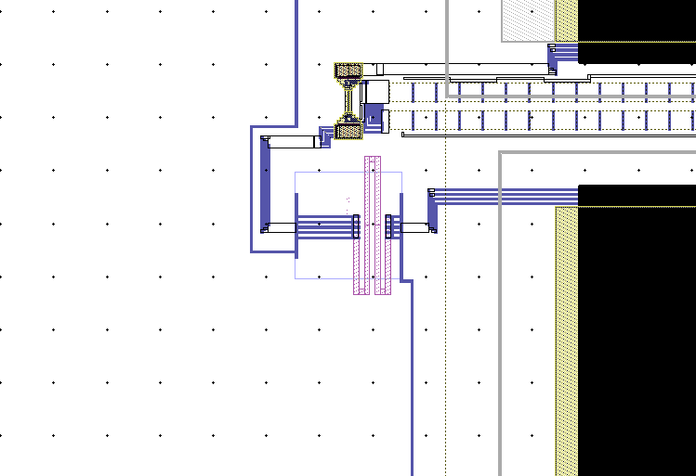
Physical Spine ID | Spine ID | Structure type | Device name | Designer | Status | Review | Ballasting device | Transistor | On chip Resistor | BE size | BEL sizeX (nm) | BEL sizeY (nm) | pad config | Number of top pads in use | chuck as electrode | Pin-out | Top contact | Resistor V+ | Source | Resistor V- | MTS heater I+ | MTS heater I- | MTS heater V+ | MTS heater V- | Device physical info | Date | Rtransistor (Vg=5V, Vds=1V) | Electrode resistance | Expected resistance
32E | 264 | MTS heater+Lateral PCM cell 0.5umX2um with 1K poly resistor |  | Kuo-Wei | Done | Done |  | No | 1K poly |  | NA | NA |  | 8 | No | p9-p12 and p13-p16, with p13-MTS heater V+, p14-MTS heater I+, p15-MTS heater I-, p16-MTS heater V-, p9-resistor V+, p10-PCM I+ , p11 PCM I-, and p12-resistor V- | 11 | 9 | 10 | 12 | 14 | 15 | 13 | 16 | 32Ep9-p12 and p21-p24, with p9-MTS heater V-, p23-MTS heater V+, p11-MTS heater I+, p21 MTS heater I-, p-12 -transisor gate, p10-transistor source , and pad 22 for PCM devie pad | 2010-11-24 |  |  | 0
32E | 264 | MTS heater+Lateral PCM cell 0.5umX4um with 1K poly resistor |  | Kuo-Wei | Done | Done |  | No | 1K poly |  | NA | NA |  | 8 | No | p5-p8 and p17-p20, with p17-MTS heater V+, p18-MTS heater I+, p19-MTS heater I-, p20 MTS heater V-, p5-gate, p6-source , p7 for PCM devie pad, p8-body | 7 | 5 | 6 | 8 | 18 | 19 | 17 | 20 | 32Ep5-p8 and p17-p20, with p5-MTS heater V-, p19-MTS heater V+, p7-MTS heater I+, p17 MTS heater I-, p-8 -transisor gate, p6-transistor source , and pad 18 for PCM devie pad | 2010-11-24 |  |  | 0
32E | 264 | MTS heater+Lateral PCM cell 0.5umX6um with 1K poly resistor |  | Kuo-Wei | Done | Done |  | No | 1K poly |  | NA | NA |  | 8 | No | p1-p4and p21-p24, with p21-MTS heater V+, p22-MTS heater I+, p23-MTS heater I-, p24 MTS heater V-, p1-gate, p2-source , p3 for PCM devie pad, p4-body | 3 | 1 | 2 | 4 | 22 | 23 | 21 | 24 | 32Ep1-p4 and p13-p16, with p1-MTS heater V-, p15-MTS heater V+, p3-MTS heater I+, p13 MTS heater I-, p-4 -transisor gate, p2-transistor source , and pad 14 for PCM devie pad | 2010-11-24 |  |  | 0
32F | 265 | MTS heater+Lateral PCM cell 1umX2um with 1K poly resistor |  | Kuo-Wei | Done | Done |  | No | 1K poly |  | NA | NA |  | 8 | No | p9-p12 and p13-p16, with p13-MTS heater V+, p14-MTS heater I+, p15-MTS heater I-, p16-MTS heater V-, p9-gate, p10-source , p11 for PCM devie pad, and p12-body | 11 | 9 | 10 | 12 | 14 | 15 | 13 | 16 | 32Fp9-p12 and p21-p24, with p9-MTS heater V-, p23-MTS heater V+, p11-MTS heater I+, p21 MTS heater I-, p-12 -transisor gate, p10-transistor source , and pad 22 for PCM devie pad | 2010-11-24 |  |  | 0
32F | 265 | MTS heater+Lateral PCM cell 1umX4um with 1K poly resistor |  | Kuo-Wei | Done | Done |  | No | 1K poly |  | NA | NA |  | 8 | No | p5-p8 and p17-p20, with p17-MTS heater V+, p18-MTS heater I+, p19-MTS heater I-, p20 MTS heater V-, p5-gate, p6-source , p7 for PCM devie pad, p8-body | 7 | 5 | 6 | 8 | 18 | 19 | 17 | 20 | 32Fp5-p8 and p17-p20, with p5-MTS heater V-, p19-MTS heater V+, p7-MTS heater I+, p17 MTS heater I-, p-8 -transisor gate, p6-transistor source , and pad 18 for PCM devie pad | 2010-11-24 |  |  | 0
32F | 265 | MTS heater+Lateral PCM cell 1umX6um with 1K poly resistor |  | Kuo-Wei | Done | Done |  | No | 1K poly |  | NA | NA |  | 8 | No | p1-p4and p21-p24, with p21-MTS heater V+, p22-MTS heater I+, p23-MTS heater I-, p24 MTS heater V-, p1-gate, p2-source , p3 for PCM devie pad, p4-body | 3 | 1 | 2 | 4 | 22 | 23 | 21 | 24 | 32Fp1-p4 and p13-p16, with p1-MTS heater V-, p15-MTS heater V+, p3-MTS heater I+, p13 MTS heater I-, p-4 -transisor gate, p2-transistor source , and pad 14 for PCM devie pad | 2010-11-24 |  |  | 0
32G | 266 | MTS heater+Lateral PCM cell 2umX2um with 1K poly resistor |  | Kuo-Wei | Done | Done |  | No | 1K poly |  | NA | NA |  | 8 | No | p9-p12 and p13-p16, with p13-MTS heater V+, p14-MTS heater I+, p15-MTS heater I-, p16-MTS heater V-, p9-gate, p10-source , p11 for PCM devie pad, and p12-body | 11 | 9 | 10 | 12 | 14 | 15 | 13 | 16 | 32Gp9-p12 and p21-p24, with p9-MTS heater V-, p23-MTS heater V+, p11-MTS heater I+, p21 MTS heater I-, p-12 -transisor gate, p10-transistor source , and pad 22 for PCM devie pad | 2010-11-24 |  |  | 0
32G | 266 | MTS heater+Lateral PCM cell 2umX4um with 1K poly resistor |  | Kuo-Wei | Done | Done |  | No | 1K poly |  | NA | NA |  | 8 | No | p5-p8 and p17-p20, with p17-MTS heater V+, p18-MTS heater I+, p19-MTS heater I-, p20 MTS heater V-, p5-gate, p6-source , p7 for PCM devie pad, p8-body | 7 | 5 | 6 | 8 | 18 | 19 | 17 | 20 | 32Gp5-p8 and p17-p20, with p5-MTS heater V-, p19-MTS heater V+, p7-MTS heater I+, p17 MTS heater I-, p-8 -transisor gate, p6-transistor source , and pad 18 for PCM devie pad | 2010-11-24 |  |  | 0
32G | 266 | MTS heater+Lateral PCM cell 2umX6um with 1K poly resistor |  | Kuo-Wei | Done | Done |  | No | 1K poly |  | NA | NA |  | 8 | No | p1-p4and p21-p24, with p21-MTS heater V+, p22-MTS heater I+, p23-MTS heater I-, p24 MTS heater V-, p1-gate, p2-source , p3 for PCM devie pad, p4-body | 3 | 1 | 2 | 4 | 22 | 23 | 21 | 24 | 32Gp1-p4 and p13-p16, with p1-MTS heater V-, p15-MTS heater V+, p3-MTS heater I+, p13 MTS heater I-, p-4 -transisor gate, p2-transistor source , and pad 14 for PCM devie pad | 2010-11-24 |  |  | 0
32H | 267 | MTS heater+Lateral PCM cell 0.5umX2um |  | Kuo-Wei | Done | Done |  | No | None |  | NA | NA |  | 6 | No | p9-p12 and p13-p16, with p13-MTS heater V+, p14-MTS heater I+, p15-MTS heater I-, p16-MTS heater V-, p9-gate, p10-source , p11 for PCM devie pad, and p12-body | 11 | 9 | 10 | 12 | 14 | 15 | 13 | 16 | 32Hp9-p12 and p21-p24, with p9-MTS heater V-, p23-MTS heater V+, p11-MTS heater I+, p21 MTS heater I-, p-12 -transisor gate, p10-transistor source , and pad 22 for PCM devie pad | 2010-11-24 |  |  | 0
32H | 267 | MTS heater+Lateral PCM cell 0.5umX4um |  | Kuo-Wei | Done | Done |  | No | None |  | NA | NA |  | 6 | No | p5-p8 and p17-p20, with p17-MTS heater V+, p18-MTS heater I+, p19-MTS heater I-, p20 MTS heater V-, p5-gate, p6-source , p7 for PCM devie pad, p8-body | 7 | 5 | 6 | 8 | 18 | 19 | 17 | 20 | 32Hp5-p8 and p17-p20, with p5-MTS heater V-, p19-MTS heater V+, p7-MTS heater I+, p17 MTS heater I-, p-8 -transisor gate, p6-transistor source , and pad 18 for PCM devie pad | 2010-11-24 |  |  | 0
32H | 267 | MTS heater+Lateral PCM cell 0.5umX6um |  | Kuo-Wei | Done | Done |  | No | None |  | NA | NA |  | 6 | No | p1-p4and p21-p24, with p21-MTS heater V+, p22-MTS heater I+, p23-MTS heater I-, p24 MTS heater V-, p1-gate, p2-source , p3 for PCM devie pad, p4-body | 3 | 1 | 2 | 4 | 22 | 23 | 21 | 24 | 32Hp1-p4 and p13-p16, with p1-MTS heater V-, p15-MTS heater V+, p3-MTS heater I+, p13 MTS heater I-, p-4 -transisor gate, p2-transistor source , and pad 14 for PCM devie pad | 2010-11-24 |  |  | 0
32I | 268 | MTS heater+Lateral PCM cell 1umX2um |  | Kuo-Wei | Done | Done |  | No | None |  | NA | NA |  | 6 | No | p9-p12 and p13-p16, with p13-MTS heater V+, p14-MTS heater I+, p15-MTS heater I-, p16-MTS heater V-, p9-gate, p10-source , p11 for PCM devie pad, and p12-body | 11 | 9 | 10 | 12 | 14 | 15 | 13 | 16 | 32Ip9-p12 and p21-p24, with p9-MTS heater V-, p23-MTS heater V+, p11-MTS heater I+, p21 MTS heater I-, p-12 -transisor gate, p10-transistor source , and pad 22 for PCM devie pad | 2010-11-24 |  |  | 0
32I | 268 | MTS heater+Lateral PCM cell 1umX4um |  | Kuo-Wei | Done | Done |  | No | None |  | NA | NA |  | 6 | No | p5-p8 and p17-p20, with p17-MTS heater V+, p18-MTS heater I+, p19-MTS heater I-, p20 MTS heater V-, p5-gate, p6-source , p7 for PCM devie pad, p8-body | 7 | 5 | 6 | 8 | 18 | 19 | 17 | 20 | 32Ip5-p8 and p17-p20, with p5-MTS heater V-, p19-MTS heater V+, p7-MTS heater I+, p17 MTS heater I-, p-8 -transisor gate, p6-transistor source , and pad 18 for PCM devie pad | 2010-11-24 |  |  | 0
32I | 268 | MTS heater+Lateral PCM cell 1umX6um |  | Kuo-Wei | Done | Done |  | No | None |  | NA | NA |  | 6 | No | p1-p4and p21-p24, with p21-MTS heater V+, p22-MTS heater I+, p23-MTS heater I-, p24 MTS heater V-, p1-gate, p2-source , p3 for PCM devie pad, p4-body | 3 | 1 | 2 | 4 | 22 | 23 | 21 | 24 | 32Ip1-p4 and p13-p16, with p1-MTS heater V-, p15-MTS heater V+, p3-MTS heater I+, p13 MTS heater I-, p-4 -transisor gate, p2-transistor source , and pad 14 for PCM devie pad | 2010-11-24 |  |  | 0
32J | 269 | MTS heater+Lateral PCM cell 2umX2um |  | Kuo-Wei | Done | Done |  | No | None |  | NA | NA |  | 6 | No | p9-p12 and p13-p16, with p13-MTS heater V+, p14-MTS heater I+, p15-MTS heater I-, p16-MTS heater V-, p9-gate, p10-source , p11 for PCM devie pad, and p12-body | 11 | 9 | 10 | 12 | 14 | 15 | 13 | 16 | 32Jp9-p12 and p21-p24, with p9-MTS heater V-, p23-MTS heater V+, p11-MTS heater I+, p21 MTS heater I-, p-12 -transisor gate, p10-transistor source , and pad 22 for PCM devie pad | 2010-11-24 |  |  | 0
32J | 269 | MTS heater+Lateral PCM cell 2umX4um |  | Kuo-Wei | Done | Done |  | No | None |  | NA | NA |  | 6 | No | p5-p8 and p17-p20, with p17-MTS heater V+, p18-MTS heater I+, p19-MTS heater I-, p20 MTS heater V-, p5-gate, p6-source , p7 for PCM devie pad, p8-body | 7 | 5 | 6 | 8 | 18 | 19 | 17 | 20 | 32Jp5-p8 and p17-p20, with p5-MTS heater V-, p19-MTS heater V+, p7-MTS heater I+, p17 MTS heater I-, p-8 -transisor gate, p6-transistor source , and pad 18 for PCM devie pad | 2010-11-24 |  |  | 0
32J | 269 | MTS heater+Lateral PCM cell 2umX6um |  | Kuo-Wei | Done | Done |  | No | None |  | NA | NA |  | 6 | No | p1-p4and p21-p24, with p21-MTS heater V+, p22-MTS heater I+, p23-MTS heater I-, p24 MTS heater V-, p1-gate, p2-source , p3 for PCM devie pad, p4-body | 3 | 1 | 2 | 4 | 22 | 23 | 21 | 24 | 32Jp1-p4 and p13-p16, with p1-MTS heater V-, p15-MTS heater V+, p3-MTS heater I+, p13 MTS heater I-, p-4 -transisor gate, p2-transistor source , and pad 14 for PCM devie pad | 2010-11-24 |  |  | 0
32R | 277 | MTS heater+Lateral PCM cell 1umX2um with diode thermometer |  | Kuo-Wei | Done | Done |  | No | None |  | NA | NA |  | 6 | No | p9-p12 and p13-p16, with p13-MTS heater V+, p14-MTS heater I+, p15-MTS heater I-, p16-MTS heater V-, p9-gate, p10-source , p11 for PCM devie pad, and p12-body | 11 | 9 | 10 | 12 | 14 | 15 | 13 | 16 | 32Rp9-p12 and p21-p24, with p9-MTS heater V-, p23-MTS heater V+, p11-MTS heater I+, p21 MTS heater I-, p-12 -transisor gate, p10-transistor source , and pad 22 for PCM devie pad | 2010-11-24 |  |  | 0
32R | 277 | MTS heater+Lateral PCM cell 1umX4um with diode thermometer |  | Kuo-Wei | Done | Done |  | No | None |  | NA | NA |  | 6 | No | p5-p8 and p17-p20, with p17-MTS heater V+, p18-MTS heater I+, p19-MTS heater I-, p20 MTS heater V-, p5-gate, p6-source , p7 for PCM devie pad, p8-body | 7 | 5 | 6 | 8 | 18 | 19 | 17 | 20 | 32Rp5-p8 and p17-p20, with p5-MTS heater V-, p19-MTS heater V+, p7-MTS heater I+, p17 MTS heater I-, p-8 -transisor gate, p6-transistor source , and pad 18 for PCM devie pad | 2010-11-24 |  |  | 0
32R | 277 | MTS heater+Lateral PCM cell 1umX6um with diode thermometer |  | Kuo-Wei | Done | Done |  | No | None |  | NA | NA |  | 6 | No | p1-p4and p21-p24, with p21-MTS heater V+, p22-MTS heater I+, p23-MTS heater I-, p24 MTS heater V-, p1-gate, p2-source , p3 for PCM devie pad, p4-body | 3 | 1 | 2 | 4 | 22 | 23 | 21 | 24 | 32Rp1-p4 and p13-p16, with p1-MTS heater V-, p15-MTS heater V+, p3-MTS heater I+, p13 MTS heater I-, p-4 -transisor gate, p2-transistor source , and pad 14 for PCM devie pad | 2010-11-24 |  |  | 0

 |  |  |  | Test lateral PCM device
 |  |  |  | Top contact =1V, source=GND, Resistor V+ = float, Resistor V- = float, measure I, V, and resistance betwween top contact and source (GND)
 |  |  |  | Test pad isolation
 |  |  |  | Top contact =7V, Heater I+ = GND, measure I, V, and resistance betwween top contact and source (GND)
 |  |  |  | Test heater
 |  |  |  | 1 mA current between Heater I+ and Heater I-, and measure the voltage between heater V+ and heater V-

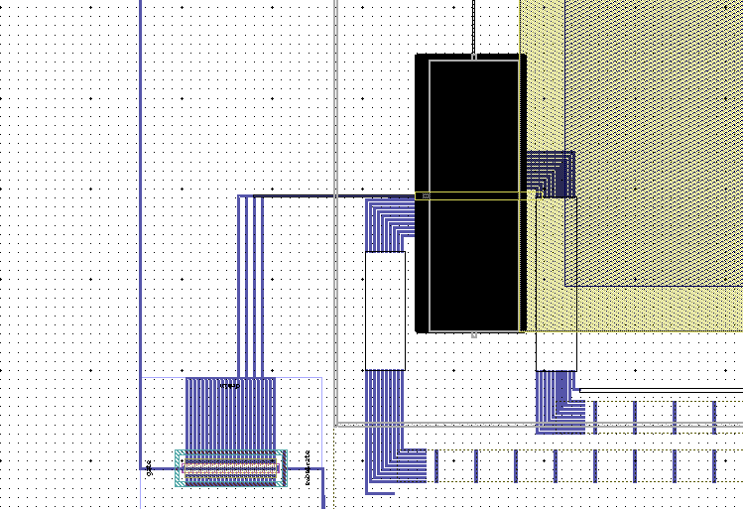
Physical Spine ID | Spine ID | Structure type | Device name | Designer | Status | Review | Ballasting device | Transistor | On chip Resistor | BE size | BEL sizeX (nm) | BEL sizeY (nm) | pad config | Number of top pads in use | chuck as electrode | Pin-out | Top contact | Gate | Source | Body | MTS heater I+ | MTS heater I- | MTS heater V+ | MTS heater V- | Device physical info | Date | Rtransistor (Vg=5V, Vds=1V) | Electrode resistance | Expected resistance
32A | 255 | singel bit device 73nm X 73 nm BE with transistor |  | Kuo-Wei | Done | Done |  | 10/1um Tr _Gate, source to wafer, body to CPAD | None |  | 73 | 73 |  | 7 | No | p9-p12 and p13-p16, with p13-MTS heater V+, p14-MTS heater I+, p15-MTS heater I-, p16-MTS heater V-, p12-gate, substrate-source , p11 for PCM devie pad, and p9-body | 11 | 12 | substrate | 9 | 14 | 15 | 13 | 16
32A | 255 | MTS heater+ singel bit device 73nm X 73 nm BE with transistor |  | Kuo-Wei | Done | Done |  | 10/1um Tr _Gate, source to wafer, body to CPAD | None |  | 73 | 73 |  | 7 | No | p5-p8 and p17-p20, with p17-MTS heater V+, p18-MTS heater I+, p19-MTS heater I-, p20 MTS heater V-, p8-gate, substrate-source , p7 for PCM devie pad, p5-body | 7 | 8 | substrate | 5 | 18 | 19 | 17 | 20
32A | 255 | MTS heater+ singel bit device 73nm X 73 nm BE with transistor |  | Kuo-Wei | Done | Done |  | 10/1um Tr _Gate, source to wafer, body to CPAD | None |  | 73 | 73 |  | 7 | No | p1-p4and p21-p24, with p21-MTS heater V+, p22-MTS heater I+, p23-MTS heater I-, p24 MTS heater V-, p4-gate, p2-source , p3 for PCM devie pad, p1-body | 3 | 4 | substrate | 1 | 22 | 23 | 21 | 24
32K | 270 | singel bit device 73nm X 73 nm BE with transistor |  | Kuo-Wei | Done | Done |  | 10/1um Tr _Gate, source and body to CPAD | None |  | 73 | 73 |  | 7 | No | p9-p12 and p13-p16, with p13-MTS heater V+, p14-MTS heater I+, p15-MTS heater I-, p16-MTS heater V-, p12-gate, substrate-source , p11 for PCM devie pad, and p9-body | 11 | 12 | substrate | 9 | 14 | 15 | 13 | 16
32K | 270 | MTS heater+ singel bit device 73nm X 73 nm BE with transistor |  | Kuo-Wei | Done | Done |  | 10/1um Tr _Gate, source and body to CPAD | None |  | 73 | 73 |  | 7 | No | p5-p8 and p17-p20, with p17-MTS heater V+, p18-MTS heater I+, p19-MTS heater I-, p20 MTS heater V-, p8-gate, substrate-source , p7 for PCM devie pad, p5-body | 7 | 8 | substrate | 5 | 18 | 19 | 17 | 20
32K | 270 | MTS heater+ singel bit device 73nm X 73 nm BE with transistor |  | Kuo-Wei | Done | Done |  | 10/1um Tr _Gate, source and body to CPAD | None |  | 73 | 73 |  | 7 | No | p1-p4and p21-p24, with p21-MTS heater V+, p22-MTS heater I+, p23-MTS heater I-, p24 MTS heater V-, p4-gate, p2-source , p3 for PCM devie pad, p1-body | 3 | 4 | substrate | 1 | 22 | 23 | 21 | 24
32L | 271 | singel bit device 93nm X 93 nm BE with transistor |  | Kuo-Wei | Done | Done |  | 10/1um Tr _Gate, source and body to CPAD | None |  | 93 | 93 |  | 7 | No | p9-p12 and p13-p16, with p13-MTS heater V+, p14-MTS heater I+, p15-MTS heater I-, p16-MTS heater V-, p12-gate, substrate-source , p11 for PCM devie pad, and p9-body | 11 | 12 | substrate | 9 | 14 | 15 | 13 | 16
32L | 271 | MTS heater+ singel bit device 93nm X 93 nm BE with transistor |  | Kuo-Wei | Done | Done |  | 10/1um Tr _Gate, source and body to CPAD | None |  | 93 | 93 |  | 7 | No | p5-p8 and p17-p20, with p17-MTS heater V+, p18-MTS heater I+, p19-MTS heater I-, p20 MTS heater V-, p8-gate, substrate-source , p7 for PCM devie pad, p5-body | 7 | 8 | substrate | 5 | 18 | 19 | 17 | 20
32L | 271 | MTS heater+ singel bit device 93nm X 93 nm BE with transistor |  | Kuo-Wei | Done | Done |  | 10/1um Tr _Gate, source and body to CPAD | None |  | 93 | 93 |  | 7 | No | p1-p4and p21-p24, with p21-MTS heater V+, p22-MTS heater I+, p23-MTS heater I-, p24 MTS heater V-, p4-gate, p2-source , p3 for PCM devie pad, p1-body | 3 | 4 | substrate | 1 | 22 | 23 | 21 | 24

 |  |  |  | Test lateral PCM device
 |  |  |  | 1. Gate=5V, Top contact =1V, source (substrate)=GND, body=GND, measure I, V, and resistance betwween top contact and source (GND)
 |  |  |  | 2. Gate=0V, Top contact =1V, source(substrate)=GND, body=GND, measure I, V, and resistance betwween top contact and source (GND)
 |  |  |  | Test pad isolation
 |  |  |  | Top contact =7V, Heater I+ = GND, measure I, V, and resistance betwween top contact and source (GND)
 |  |  |  | Test heater
 |  |  |  | 1 mA current between Heater I+ and Heater I- and measure the voltage between heater V+ and heater V-

