Round 1
wafer diameter | Exclusion ring | usable diameter | die-x | die-y | scribe x | scribe y | die size | die per wafer
mm | mm | mm | mm | mm | µm | µm | mm2 | #
300 | 2.5 | 295 | 11.64 | 5.3200 | 100 | 100 | 63.6308 | 991
 |  |  |  |  |  |  |  |  |  |  |  |  |  |  |  |  |  |  | Unit Cost -M
 |  |  |  | 61.9248 |  |  |  |  |  |  |  |  |  |  |  |  |  |  | $174.74

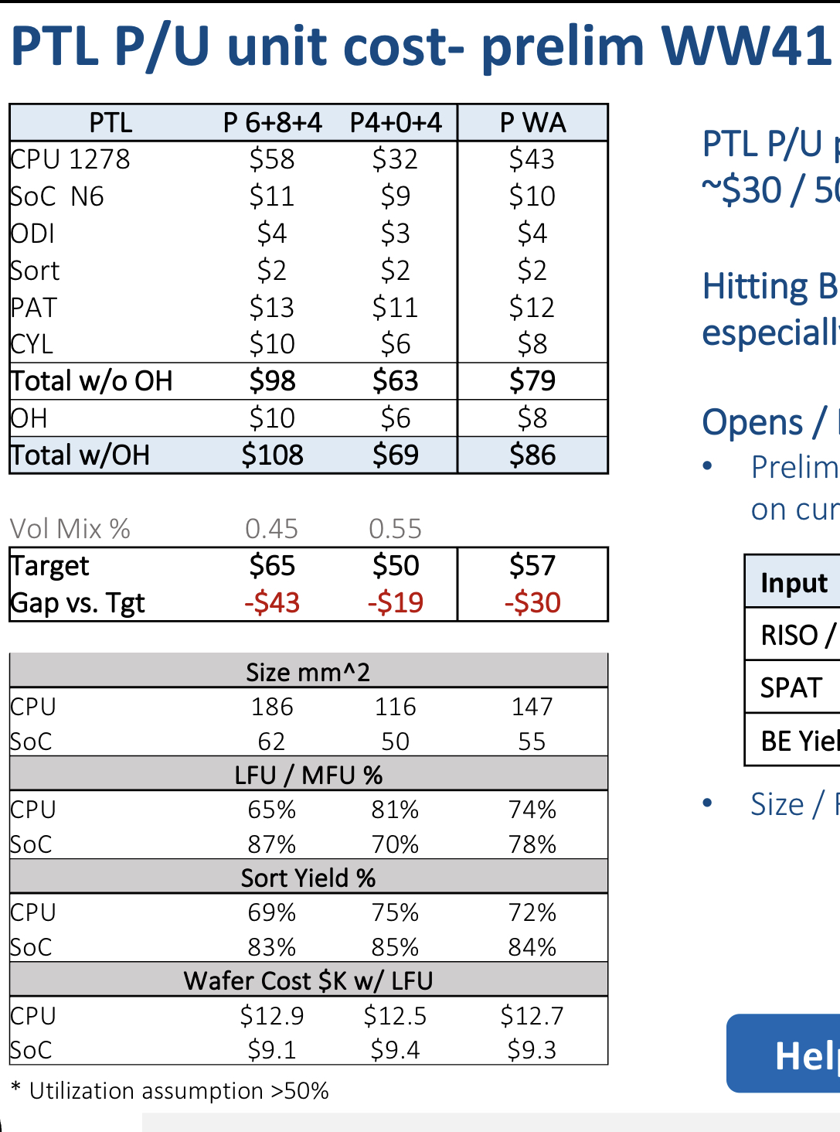
 |  |  |  |  |  |  |  |  |  | Components | Unit | Capacity | Size in mm2 | Yield | Die cost | mm2 cost | Unit/mm2 | DPW | GDPW | $/wafer | $/MB | Unit
 |  |  |  |  |  |  |  |  | Markus - p | 18A - CPU+GPU | Die | 1 | 186 | 63% | $63.45 | $0.34 | 0.005 | 314 | 197 | $12,500 |  | Die
 |  |  |  |  |  |  |  |  | Markus - m | 18A - CPU+GPU | Die | 1 | 148 | 66% | $47.71 | $0.32 | 0.007 | 400 | 262 | $12,500 |  | Die
 |  |  |  |  |  |  |  |  | Markus - p | N6 SOC 13ML | Die | 1 | 62 | 72% | $16.83 | $0.27 | 0.016 | 991 | 713 | $12,000 |  | Die
 |  |  |  |  |  |  |  |  | Chee How -m | 18A CPU | Die | 1 | 142 | 66% | $45.29 | $0.32 | 0.007 | 419 | 276 | $12,500 |  | Die
 |  |  |  |  |  |  |  |  |  | N3E GPU 17ML | Die | 1 | 148 | 66% | $86.36 | $0.58 | 0.007 | 400 | 264 | $22,800 |  | Die
 |  |  |  |  |  |  |  |  |  | N6 SOC 13ML | Die | 1 | 53 | 73% | $14.20 | $0.27 | 0.019 | 1163 | 845 | $12,000 |  | Die
 |  |  |  |  |  |  |  |  |  | N6 SRAM 9ML | MB | 64 | 35 | 85% | $7.61 | ¢21.7 | 1.829 | 1778 | 1511 | $11,500 | $0.12 | MB
 |  |  |  |  |  |  |  |  |  | 950 DTC GPU | µF | 105 | 138 | 98% | $2.56 | ¢1.86 | 0.760 | 400 | 390 | $1,000 |  | µF
 |  |  |  |  |  |  |  |  |  | 950 DTC SOC | µF | 40 | 53 | 98% | $0.88 | ¢1.67 | 0.760 | 1163 | 1133 | $1,000 |  | µF
 |  |  |  |  |  |  |  |  |  | InFO-LSI | Package | 1 | 300 | 98% | $5.43 | ¢1.81 | 0.003 | 189 | 184 | $1,000 |  | Package

SPIL Roadmap
Packaing Technology | Name | FO-EB | FO-EB-T | FO-EB-T | FO-EB-T | 2.5D | FO-PoP | FO-MCM | FO-EB | FO-EB-T | FO-EB-T | FO-EB-T
 | Supplier | SPIL | SPIL | SPIL | SPIL | SPIL | SPIL | SPIL | SPIL | SPIL | SPIL | SPIL
 | Package Size | 70·78mm2 | 70·78mm2 | 70·78mm2 | 100·100mm2 |  |  |  | 70·78mm2 | 70·78mm2 | 70·78mm2 | 100·100mm2
 | Readiness | 2021 | 2022 | 2023 | 2024 |  |  |  | 2021 | 2022 | 2023 | 2024
Socket | Module Size | 31·47mm2 | 47·64mm2 | 47·64mm2 | 47·64mm2 |  |  |  | 31·47mm2 | 47·64mm2 | 47·64mm2 | 47·64mm2
 | Chiplet i/f | µB | µB | µB | µB |  |  |  | µB | µB | µB | µB
 | Pitch [µm] | 45 | 40 | 35 | 20 |  |  |  | 45 | 40 | 35 | 20
 | Subst i/f | C4 | C4 | C4 | C4 |  |  |  | C4 | C4 | C4 | C4
 | Pitch [µm] | 150 | 130 | 130 | 80 |  |  |  | 150 | 130 | 130 | 80
Stacking | # of DIE | 1 | 1 | 5 | 9 |  |  |  | 1 | 1 | 5 | 9
 | memory die (vertical?) | 4 | 8 | 8 | 12 |  |  |  | 4 | 8 | 8 | 12
 | thickness
Interconnect | # of RDL | 1 Top layers | 2 Top layers | 3 Top layers 1 bott layers | 3 Top layers 2 bott layers |  |  |  | 1 Top layers | 2 Top layers | 3 Top layers 1 bott layers | 3 Top layers 2 bott layers
 | RDL Design Rules | 10/10µm L/S 13/25µm via/landing | 10/10µm L/S 13/25µm via/landing | 7/7µm L/S 8/16µm via/landing | 5/5µm L/S 7/14µm via/landing |  |  |  | 10/10µm L/S 13/25µm via/landing | 10/10µm L/S 13/25µm via/landing | 7/7µm L/S 8/16µm via/landing | 5/5µm L/S 7/14µm via/landing
 | TMV material | Cu | Cu | Cu | Cu |  |  |  | Cu | Cu | Cu | Cu
 | TMV Diameter | 70µm | 70µm | 70µm | 60µm |  |  |  | 70µm | 70µm | 70µm | 60µm
 | TMV Pitch | 150µm | 150µm | 150µm | 90µm |  |  |  | 150µm | 150µm | 150µm | 90µm
 | TMV height | 105µm | 105µm | 105µm | 105µm |  |  |  | 105µm | 105µm | 105µm | 105µm
Embedding capability | IPD | No | Stack Cap? | Stack Cap? | Yes |  |  |  | No | Stack Cap? | Stack Cap? | Yes
 | # of active die | 4 | 8 | 8 | 14 |  |  |  | 4 | 8 | 8 | 14
 | Material/type | Si/Oxide | Si/Oxide | Si/Oxide | Si/Oxide |  |  |  | Si/Oxide | Si/Oxide | Si/Oxide | Si/Oxide
 | Thickness | 50µm | 50µm | 50µm | 50µm |  |  |  | 50µm | 50µm | 50µm | 50µm
 | TSV | No | Yes | Yes | Yes |  |  |  | No | Yes | Yes | Yes
EMIB
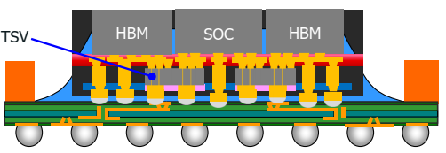

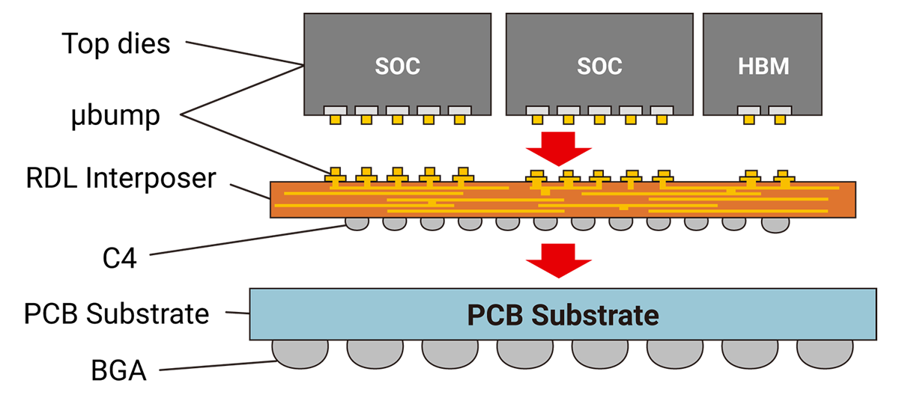
CoWoS-R (RDL Interposer)

Foveros + EMIB

ODI

CoWoW-L (RDL+Passive+TSV & RDL+TIV)

inFO_oS (RDL?)

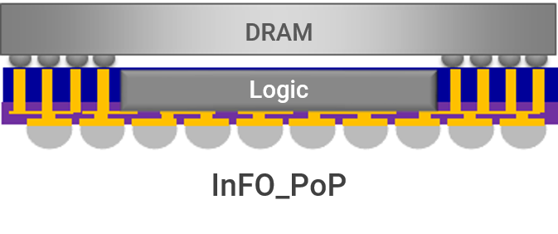
InFO_PoP

