Layer Annotation (X-section)
Intel
29P16B1BLDNF2
Intel XPoint

Layer Annotation (X-Section)

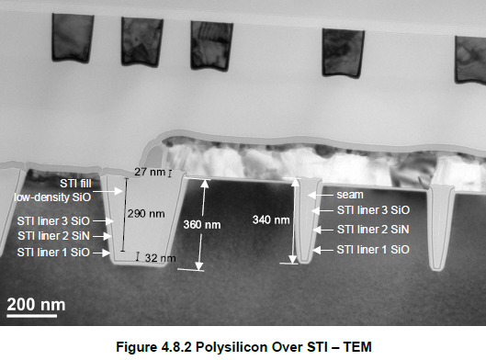
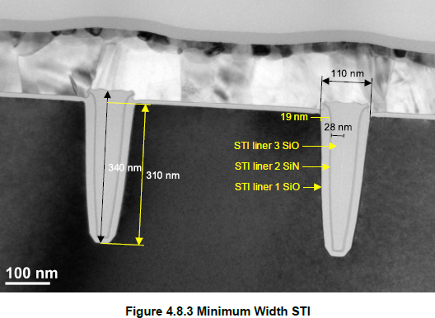
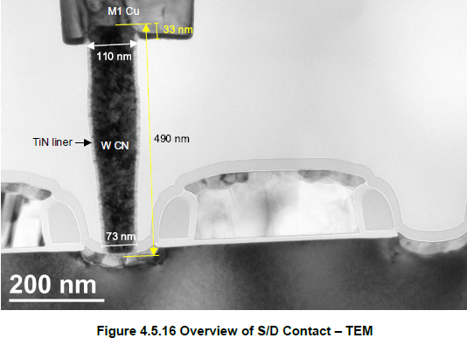
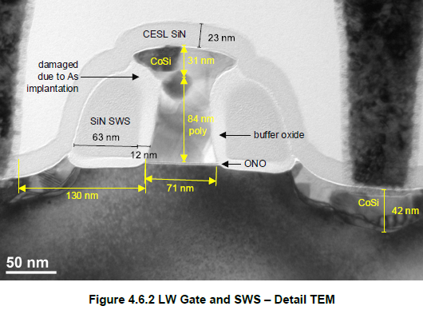

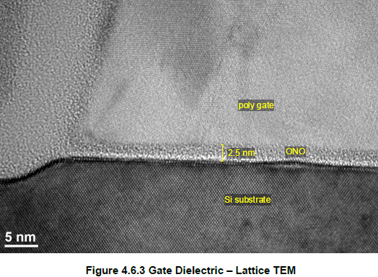
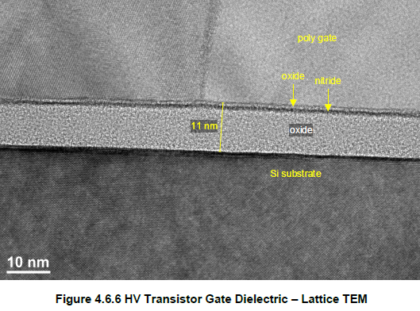

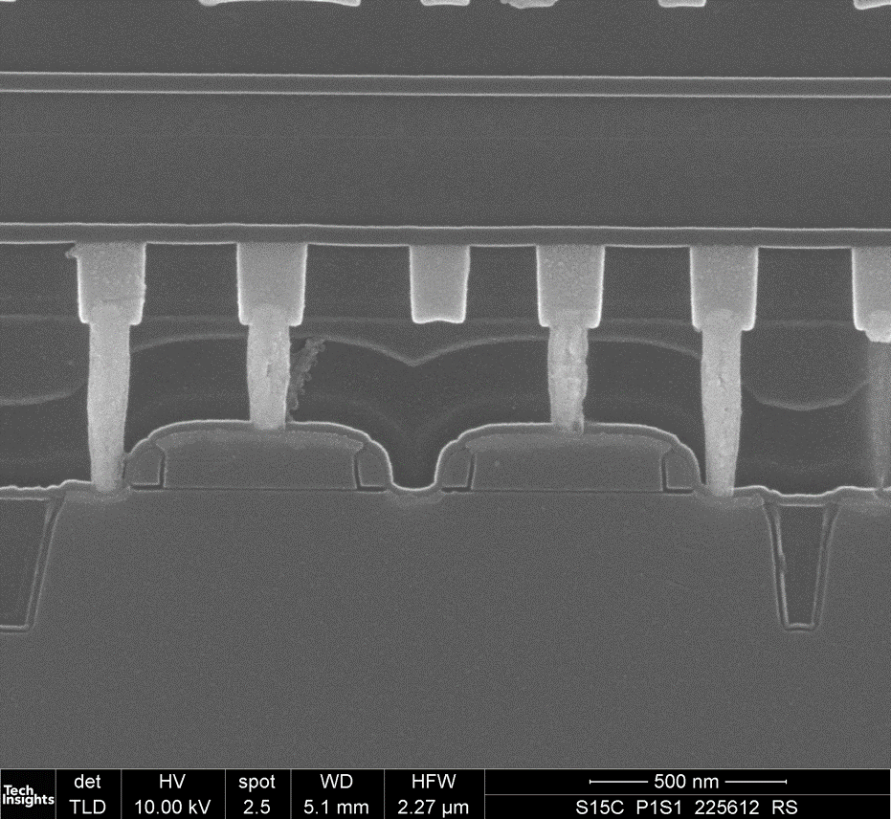
ILD 190nm
CESL 23nm
ALD Liner 69nm
USG 150nm
TEOS 210nm
CN
ESL cap SiCN 40nm
M1
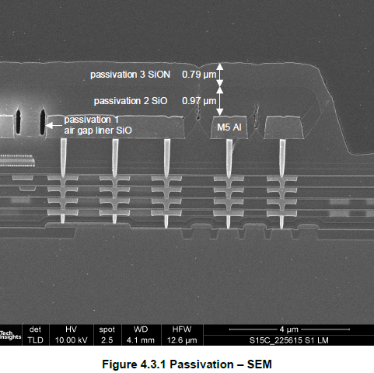
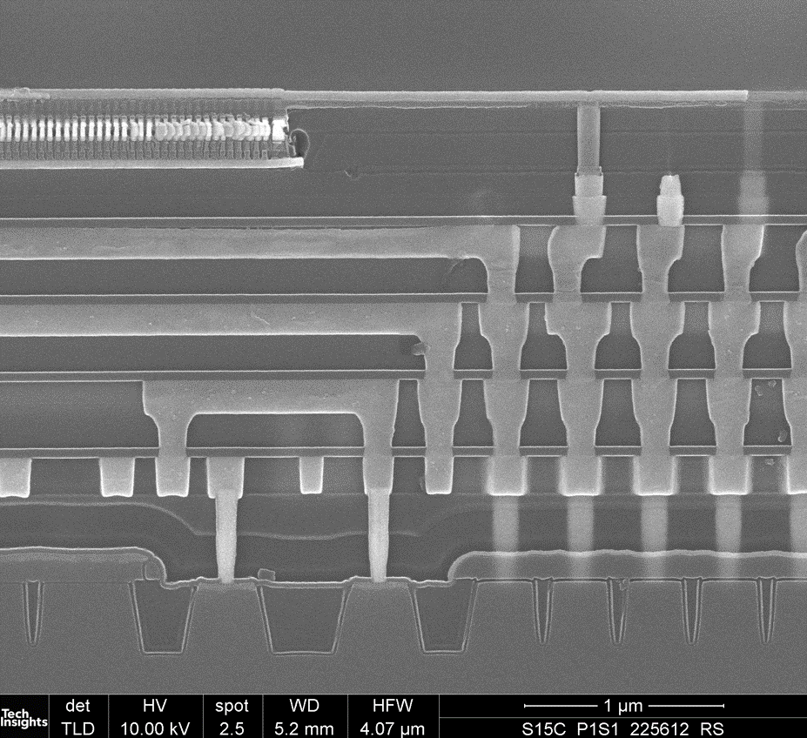
M2
M3
M4
Via1
Via2
Via3
M1
CN
Top Cell
Bottom Cell
Gate
STI
BC BL
TC BL
TC WL
BC WL
LP1
LP2
LP3
BLC2
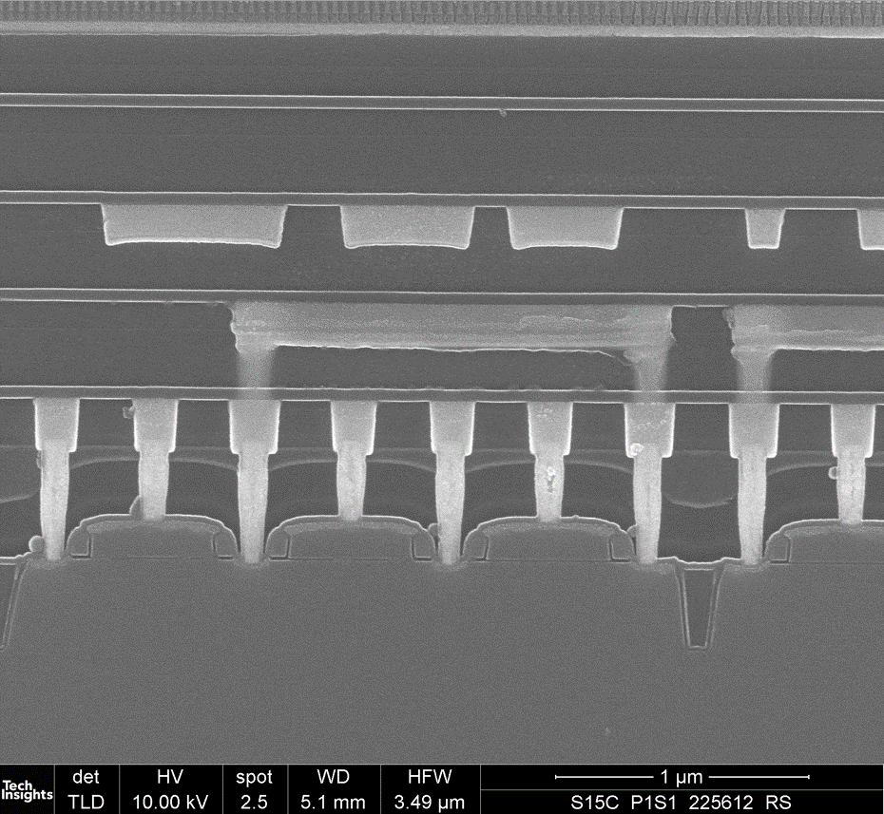
ILD1 Cap 120nm
ILD1 220nm
ESL cap SiCN 40nm
ILD2 Cap 110nm
ILD2 234nm
ESL cap SiCN 40nm
ILD3 Cap 100nm
ILD3 230nm
ESL cap SiCN 40nm
Via1
M1
CN
M2
M3

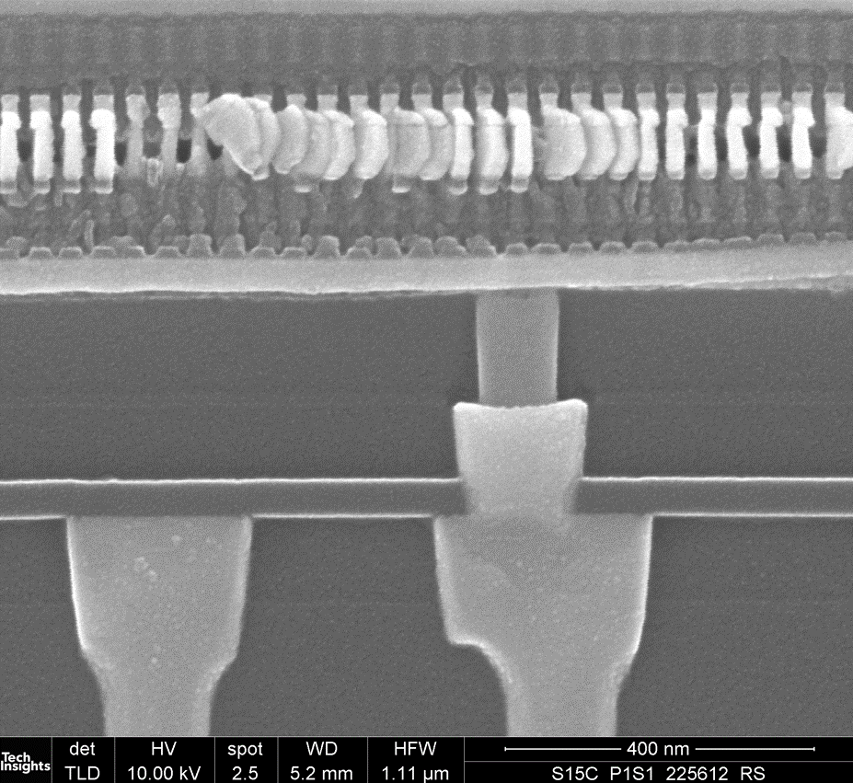
BC BL
TC WL
BC WL
TC BL
BLC1
LP1
M4
Via3
ILD4-2 100nm
ILD4-3 150nm
ILD 4-1( ESL cap) SiCN 40nm
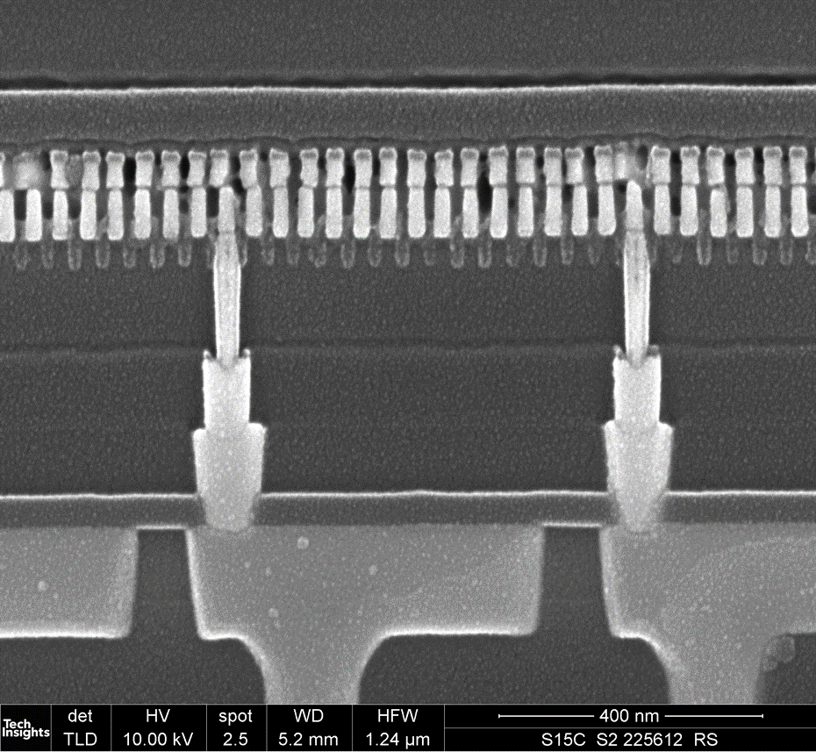
WLC
LP1
LP2
ILD4-2 100nm
ILD4-3 150nm
ILD4-4 150nm
BC WL
TC WL
M4
Via3
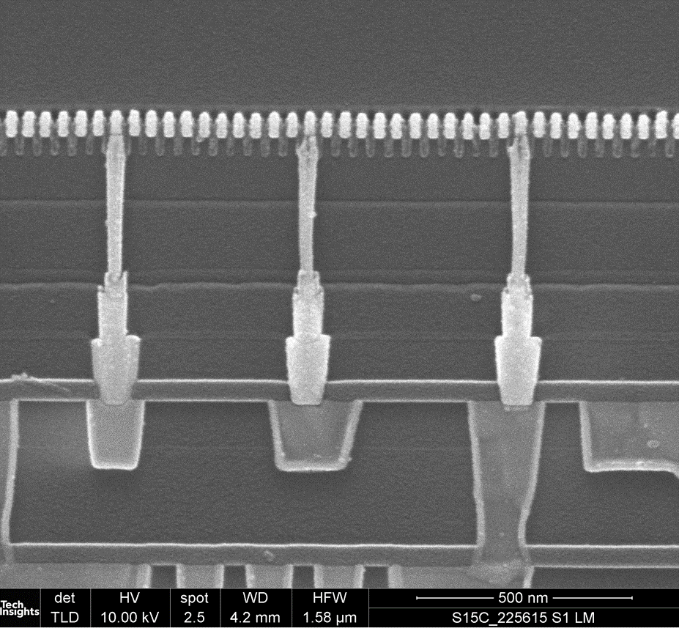
TC BL
LP1
LP2
ILD4-2 100nm
ILD4-3 150nm
ILD4-4 37nm
ILD4-5 + ILD 4-6 after CMP 150nm
BLC2
LP3
ILD4-7 150nm
M4
Via3
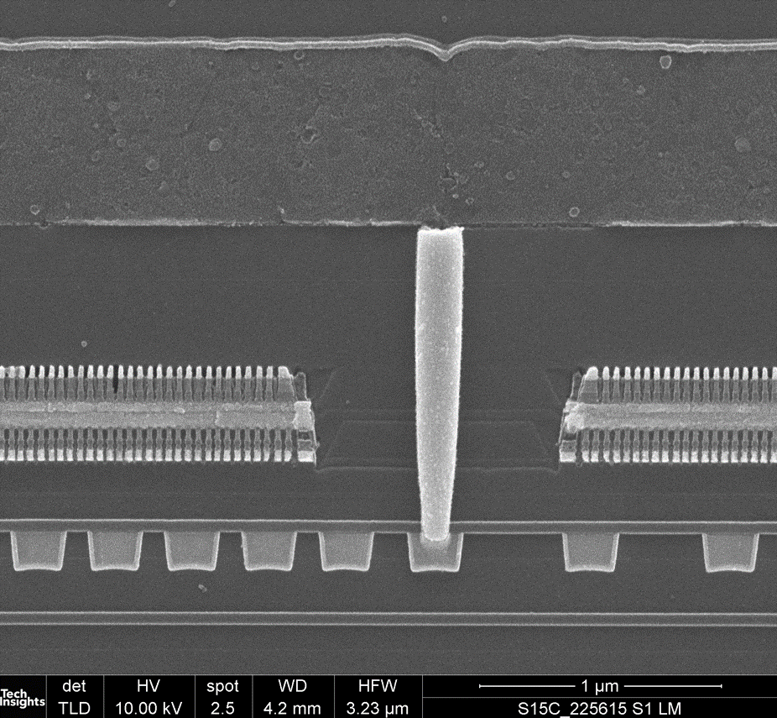
ILD 4-2 100nm
ILD4-3 150nm
ILD4-4 37nm
ILD4-5 + ILD 4-6
ILD4-7
ILD4-8 150nm
Via4
M5 (Al)
ILD 4-9 350nm
ILD 4-10 230nm

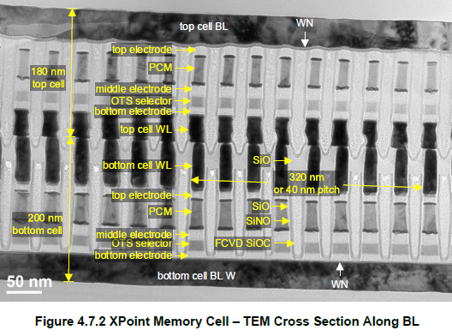
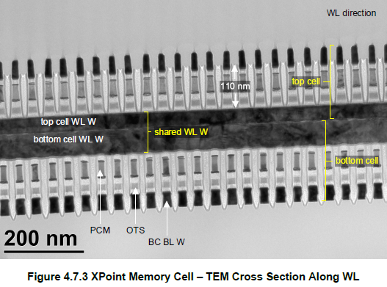
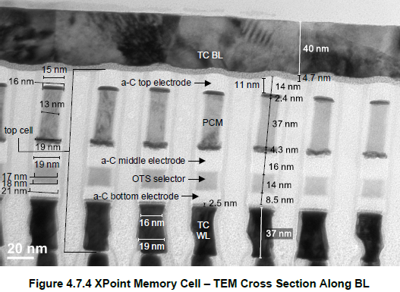
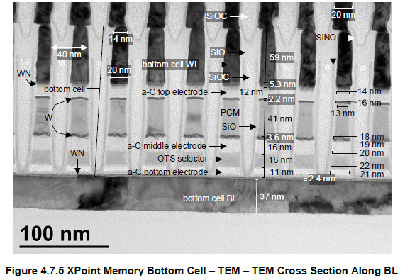

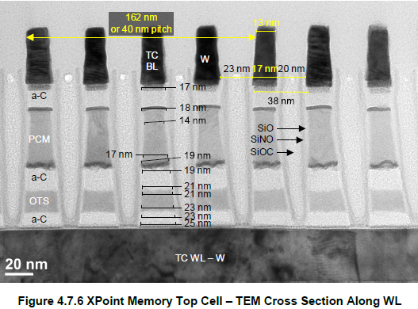

Cell Array DA (Layouts)
Intel
29P16B1BLDNF2
Intel XPoint

Cell Array DA (Layouts)

